Sheet1
Picture | Style | Brand | Line | Description | Collection | Sizes | Precio 1 | Precio 2 | Precio 3
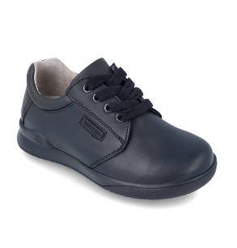 | 161125-A054 | BIOMECANICS | ZAPATO CORDONES | NEGRO (NAPA) | BACK TO SCHOOL BOY | 28-34 35-38 39-41 | $39.70 | $41.40 | $43.80
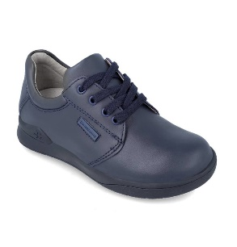 | 161125-B089 | BIOMECANICS | ZAPATO CORDONES | AZUL MARINO (NAPA) | BACK TO SCHOOL BOY | 28-34 35-38 39-41 | $39.70 | $41.40 | $43.80
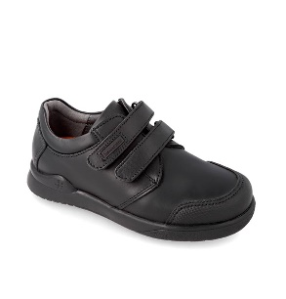 | 161126-A054 | BIOMECANICS | ZAPATO DOS VELCROS | NEGRO (NAPA) | BACK TO SCHOOL BOY | 28-34 35-38 39-41 | $39.70 | $41.40 | $43.80
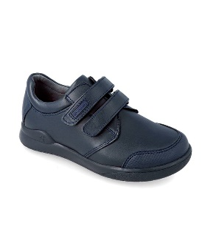 | 161126-B089 | BIOMECANICS | ZAPATO DOS VELCROS | AZUL MARINO (NAPA) | BACK TO SCHOOL BOY | 28-34 35-38 39-41 | $39.70 | $41.40 | $43.80
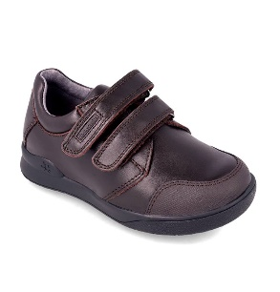 | 161126-C210 | BIOMECANICS | ZAPATO DOS VELCROS | TESTA DI MORO (NAPA) | BACK TO SCHOOL BOY | 28-34 35-38 39-41 | $39.70 | $41.40 | $43.80
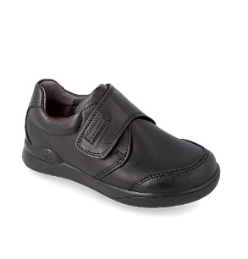 | 161129-A054 | BIOMECANICS | ZAPATO VELCRO | NEGRO (NAPA) | BACK TO SCHOOL BOY | 28-34 35-38 39-41 | $39.70 | $41.40 | $43.80
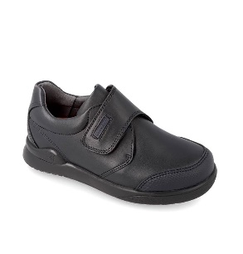 | 161129-B089 | BIOMECANICS | ZAPATO VELCRO | AZUL MARINO (NAPA) | BACK TO SCHOOL BOY | 28-34 35-38 39-41 | $39.70 | $41.40 | $43.80
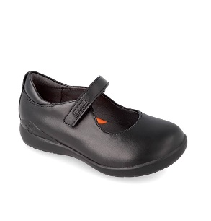 | 181120-A054 | BIOMECANICS | MERCEDES | NEGRO (NAPA) | BACK TO SCHOOL GIRL | 22-23 24-27 28-34 35-38 39-40 | $34.80 | $36.00 | $37.80
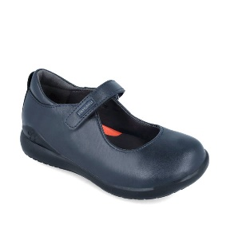 | 181120-B089 | BIOMECANICS | MERCEDES | AZUL MARINO (NAPA) | BACK TO SCHOOL GIRL | 22-23 24-27 28-34 35-38 39-40 | $34.80 | $36.00 | $37.80
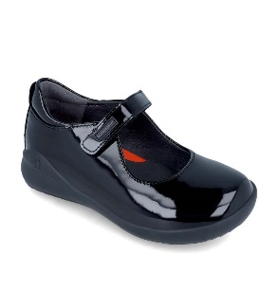 | 181120-C785 | BIOMECANICS | MERCEDES | NEGRO (CHAROL) | BACK TO SCHOOL GIRL | 22-23 24-27 28-34 35-38 39-40 | $36.12 | $37.32 | $39.12
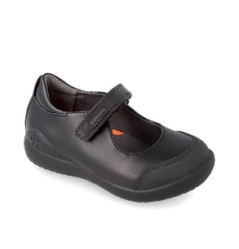 | 181121-A054 | BIOMECANICS | MERCEDES PUNTERA | NEGRO (NAPA) | BACK TO SCHOOL GIRL | 22-23 24-27 28-34 35-38 39-40 | $34.80 | $36.00 | $37.80
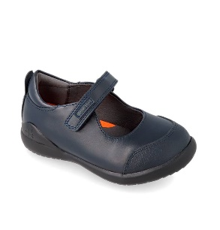 | 181121-B089 | BIOMECANICS | MERCEDES PUNTERA | AZUL MARINO (NAPA) | BACK TO SCHOOL GIRL | 22-23 24-27 28-34 35-38 39-40 | $34.80 | $36.00 | $37.80
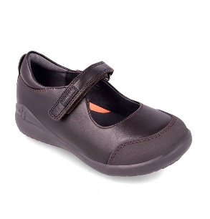 | 181121-C210 | BIOMECANICS | MERCEDES PUNTERA | TESTA DI MORO (NAPA) | BACK TO SCHOOL GIRL | 22-23 24-27 28-34 35-38 39-40 | $34.80 | $36.00 | $37.80
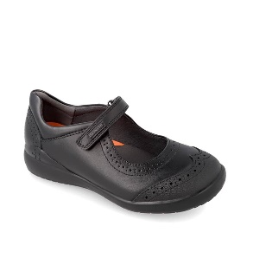 | 191110-A054 | BIOMECANICS | MERCEDES PALA VEGA | NEGRO (NAPA) | BACK TO SCHOOL GIRL | 22-23 24-27 28-34 35-38 39-40 | $36.00 | $37.80 | $39.72
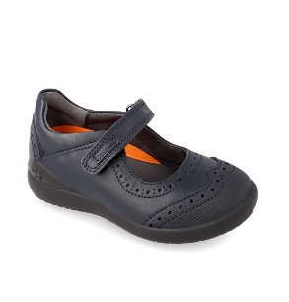 | 191110-B089 | BIOMECANICS | MERCEDES PALA VEGA | AZUL MARINO (NAPA) | BACK TO SCHOOL GIRL | 22-23 24-27 28-34 35-38 39-40 | $36.00 | $37.80 | $39.72
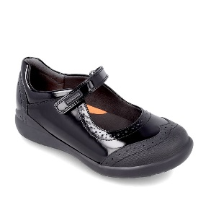 | 191110-C785 | BIOMECANICS | MERCEDES PALA VEGA | NEGRO (CHAROL) | BACK TO SCHOOL GIRL | 22-23 24-27 28-34 35-38 39-40 | $36.60 | $38.52 | $40.32
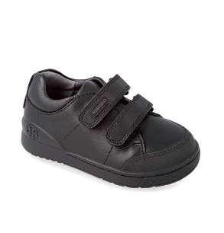 | 201101-A054 | BIOMECANICS | ZAPATO DOS VELCROS | NEGRO (NAPA) | BACK TO SCHOOL BOY | 22-23 24-27 28-32 | $36.00 | $37.80 | $39.72
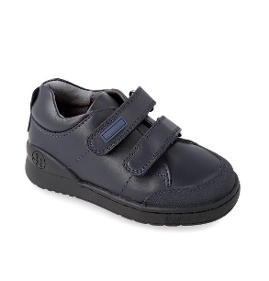 | 201101-B089 | BIOMECANICS | ZAPATO DOS VELCROS | AZUL MARINO (NAPA) | BACK TO SCHOOL BOY | 22-23 24-27 28-32 | $36.00 | $37.80 | $39.72
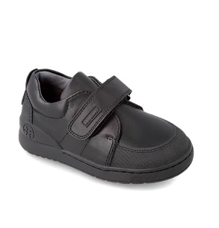 | 201102-A054 | BIOMECANICS | ZAPATO VELCRO | NEGRO (NAPA) | BACK TO SCHOOL BOY | 22-23 24-27 28-32 | $36.00 | $37.80 | $39.72
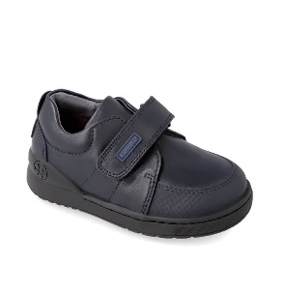 | 201102-B089 | BIOMECANICS | ZAPATO VELCRO | AZUL MARINO (NAPA) | BACK TO SCHOOL BOY | 22-23 24-27 28-32 | $36.00 | $37.80 | $39.72
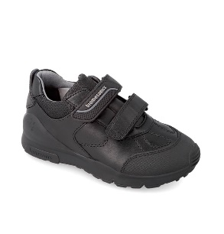 | 211103-A054 | BIOMECANICS | ZAPATO DOBLE CIERRE SPORT | NEGRO (SUPER SOFT ACTION) | BACK TO SCHOOL BOY | 28-34 35-38 39-41 | $39.72 | $41.40 | $44.40
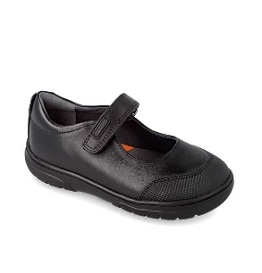 | 211700-A054 | GARVALIN | MERCEDES PUNTERA | NEGRO (NAPA) | BACK TO SCHOOL GARVALIN | 24-27 28-34 35-38 | $30.00 | $31.92 | $33.60
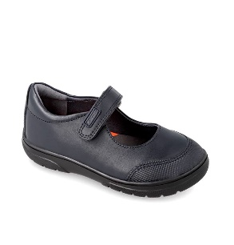 | 211700-B089 | GARVALIN | MERCEDES PUNTERA | AZUL MARINO (NAPA) | BACK TO SCHOOL GARVALIN | 24-27 28-34 35-38 | $30.00 | $31.92 | $33.60
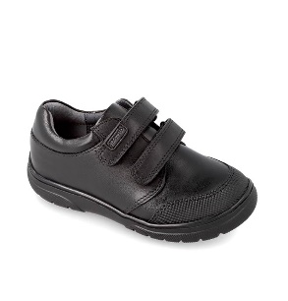 | 211701-A054 | GARVALIN | ZAPATO DOS VELCROS | NEGRO (NAPA) | BACK TO SCHOOL GARVALIN | 24-27 28-34 35-38 | $33.60 | $35.28 | $37.20
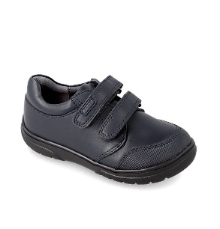 | 211701-B089 | GARVALIN | ZAPATO DOS VELCROS | AZUL MARINO (NAPA) | BACK TO SCHOOL GARVALIN | 24-27 28-34 35-38 | $33.60 | $35.28 | $37.20
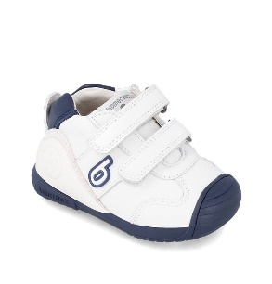 | 221001-A057 | BIOMECANICS | DEPORTIVO BÁSICO | BLANCO Y AZUL (SAUVAGE) | BIOGATEO SPORT | 18-25 | $37.44
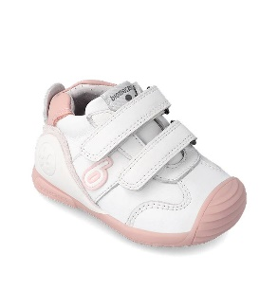 | 221001-B113 | BIOMECANICS | DEPORTIVO BÁSICO | BLANCO Y ROSA (SAUVAGE) | BIOGATEO SPORT | 18-25 | $37.44
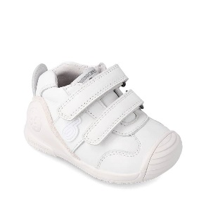 | 221001-C050 | BIOMECANICS | DEPORTIVO BÁSICO | BLANCO (SAUVAGE) | BIOGATEO SPORT | 18-25 | $37.44
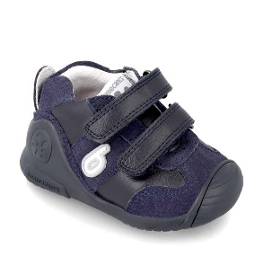 | 221002-A089 | BIOMECANICS | DEPORTIVO BASICO | AZUL MARINO (SAUVAGE) | BIOGATEO SPORT | 18-25 | $39.24
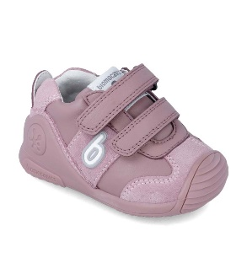 | 221002-B165 | BIOMECANICS | DEPORTIVO BASICO | MALVA (SAUVAGE) | BIOGATEO SPORT | 18-25 | $39.24
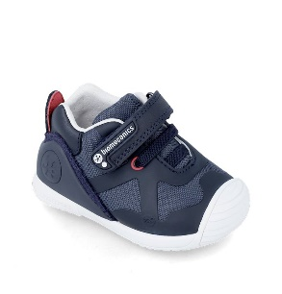 | 221003-A089 | BIOMECANICS | DEPORTIVO ELÁSTICOS | AZUL MARINO (REJILLA) | BIOGATEO SPORT | 18-25 | $36.84
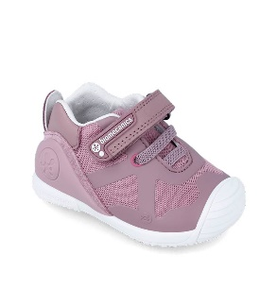 | 221003-B165 | BIOMECANICS | DEPORTIVO ELÁSTICOS | MALVA (REJILLA) | BIOGATEO SPORT | 18-25 | $36.84
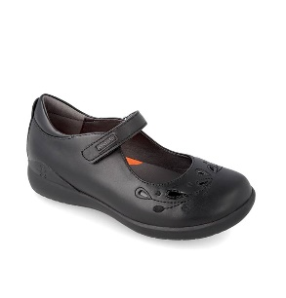 | 221280-A054 | BIOMECANICS | MERCEDES PUNTERA HOJAS | NEGRO (NAPA) | BACK TO SCHOOL GIRL | 24-27 28-34 35-38 | $37.80 | $39.72 | $40.80
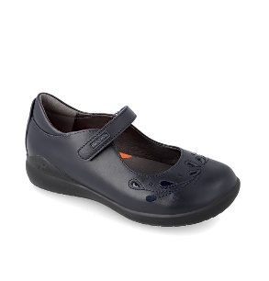 | 221280-B089 | BIOMECANICS | MERCEDES PUNTERA HOJAS | AZUL MARINO (NAPA) | BACK TO SCHOOL GIRL | 24-27 28-34 35-38 | $37.80 | $39.72 | $40.80
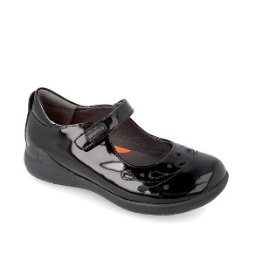 | 221280-C785 | BIOMECANICS | MERCEDES PUNTERA HOJAS | NEGRO (CHAROL) | BACK TO SCHOOL GIRL | 24-27 28-34 35-38 | $38.52 | $40.32 | $41.52
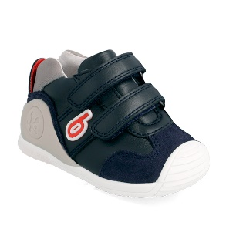 | 222155-C089 | BIOMECANICS | ZAPATO SPORT VELCROS | AZUL MARINO (SAUVAGE) | BIOGATEO SPORT | 18-25 | $39.24
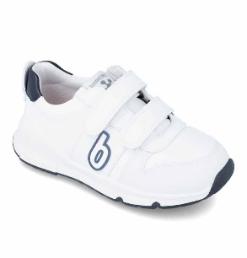 | 231005-A112 | BIOMECANICS | DEPORTIVO BÁSICO | BLANCO Y AZUL MARINO (SAUVAGE) | BIOEVOLUTION SPORT | 24-27 28-34 | $39.72 | $41.88
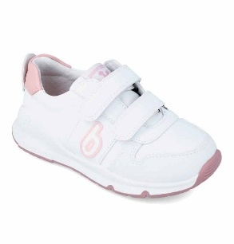 | 231005-B113 | BIOMECANICS | DEPORTIVO BÁSICO | BLANCO Y ROSA (SAUVAGE) | BIOEVOLUTION SPORT | 24-27 28-34 | $39.72 | $41.88
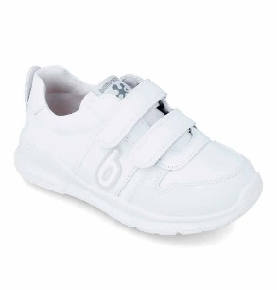 | 231005-C050 | BIOMECANICS | DEPORTIVO BÁSICO | BLANCO (SAUVAGE) | BIOEVOLUTION SPORT | 24-27 28-34 | $39.72 | $41.88
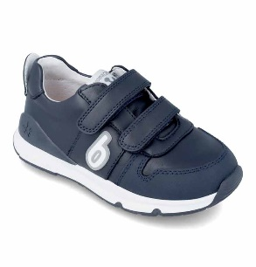 | 231006-A089 | BIOMECANICS | DEPORTIVO BÁSICO | AZUL MARINO (SAUVAGE) | BIOEVOLUTION SPORT | 24-27 28-34 | $41.88 | $45.00
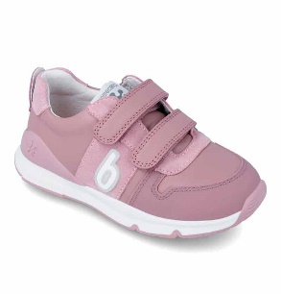 | 231006-B165 | BIOMECANICS | DEPORTIVO BÁSICO | MALVA (SAUVAGE) | BIOEVOLUTION SPORT | 24-27 28-34 | $41.88 | $45.00
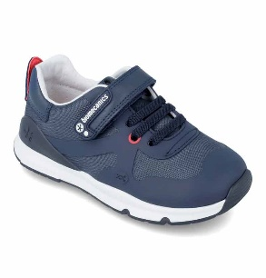 | 231007-A183 | BIOMECANICS | DEPORTIVO ELÁSTICOS | OCEAN (SAUVAGE) | BIOEVOLUTION SPORT | 24-27 28-34 | $39.00 | $43.68
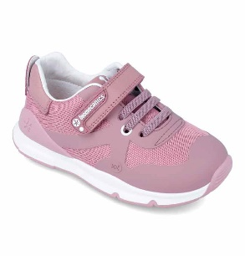 | 231007-B165 | BIOMECANICS | DEPORTIVO ELÁSTICOS | MALVA (SAUVAGE) | BIOEVOLUTION SPORT | 24-27 28-34 | $39.00 | $43.68
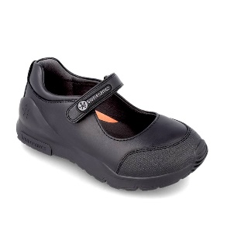 | 231010-A054 | BIOMECANICS | MERCEDES SPORT COLEGIAL | NEGRO (NAPA) | BACK TO SCHOOL GIRL | 28-34 35-38 | $39.72 | $40.80
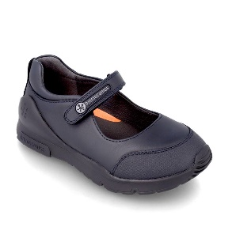 | 231010-B089 | BIOMECANICS | MERCEDES SPORT COLEGIAL | AZUL MARINO (NAPA) | BACK TO SCHOOL GIRL | 28-34 35-38 | $39.72 | $40.80
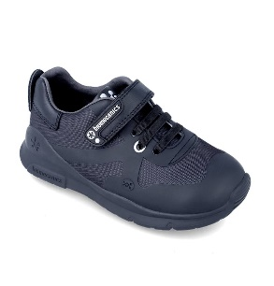 | 231011-A054 | BIOMECANICS | ZAPATO COLEGIAL ELÁSTICOS | NEGRO (REJILLA) | BACK TO SCHOOL BOY | 28-34 35-38 39-41 | $39.72 | $41.40 | $43.80
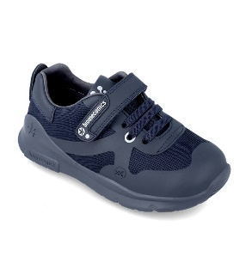 | 231011-B089 | BIOMECANICS | ZAPATO COLEGIAL ELÁSTICOS | AZUL MARINO (REJILLA) | BACK TO SCHOOL BOY | 28-34 35-38 39-41 | $39.72 | $41.40 | $43.80
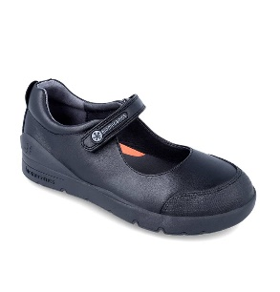 | 231015-A054 | BIOMECANICS | MERCEDES COLEGIAL | NEGRO (NAPA) | BACK TO SCHOOL GIRL | 28-34 35-38 | $40.80 | $42.00
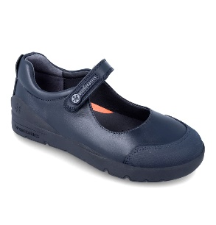 | 231015-B089 | BIOMECANICS | MERCEDES COLEGIAL | AZUL MARINO (NAPA) | BACK TO SCHOOL GIRL | 28-34 35-38 | $40.80 | $42.00
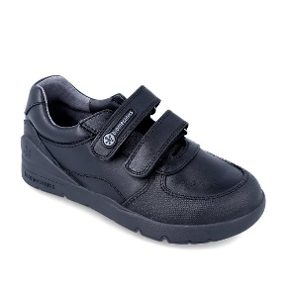 | 231016-A054 | BIOMECANICS | ZAPATO DOBLE CIERRE COLEGIAL | NEGRO (NAPA) | BACK TO SCHOOL BOY | 28-34 35-38 39-41 | $42.00 | $43.80 | $45.60
 | 231016-B089 | BIOMECANICS | ZAPATO DOBLE CIERRE COLEGIAL | AZUL MARINO (NAPA) | BACK TO SCHOOL BOY | 28-34 35-38 39-41 | $42.00 | $43.80 | $45.60
 | 231750-A057 | GARVALIN | SNEAKER COOL | BLANCO Y AZUL (NAPA) | SNEAKER COOL | 24-27 28-34 | $27.10 | $28.44
 | 231750-B113 | GARVALIN | SNEAKER COOL | BLANCO Y ROSA (NAPA) | SNEAKER COOL | 24-27 28-34 | $27.10 | $28.44
 | 231750-C050 | GARVALIN | SNEAKER COOL | BLANCO (NAPA) | SNEAKER COOL | 24-27 28-34 | $27.10 | $28.44
 | 241001-A578 | BIOMECANICS | DEPORTIVO BASICO | BLANCO Y OCEAN (SAUVAGE) | BIOGATEO SPORT | 18-25 | $38.52
 | 241001-B786 | BIOMECANICS | DEPORTIVO BASICO | BLANCO Y COTTON (SAUVAGE) | BIOGATEO SPORT | 18-25 | $38.52
 | 241001-C050 | BIOMECANICS | DEPORTIVO BASICO | BLANCO (SAUVAGE) | BIOGATEO SPORT | 18-25 | $38.52
 | 241015-A054 | BIOMECANICS | ZAPATO ELASTICOS COLE | NEGRO (NAPA) | BACK TO SCHOOL BOY | 28-34 35-38 39-41 | $39.72 | $41.40 | $43.80
 | 241015-B089 | BIOMECANICS | ZAPATO ELASTICOS COLE | AZUL MARINO (NAPA) | BACK TO SCHOOL BOY | 28-34 35-38 39-41 | $39.72 | $41.40 | $43.80
 | 241020-A054 | BIOMECANICS | ZAPATO DOBLE VELCRO | NEGRO (NAPA) | BIORUNNER SCHOOL | 24-27 28-34 | $34.80 | $36.00
 | 241020-B050 | BIOMECANICS | ZAPATO DOBLE VELCRO | BLANCO (NAPA) | BIORUNNER SCHOOL | 24-27 28-34 | $34.80 | $36.00
 | 241300-A183 | GARVALIN | ZAPATO BASICO | OCEAN (SAUVAGE) | SOFT | 19-23 24-26 | $33.60 | $34.80
 | 241300-B159 | GARVALIN | ZAPATO BASICO | KISS (SAUVAGE) | SOFT | 19-23 24-26 | $33.60 | $34.80
 | 241300-C050 | GARVALIN | ZAPATO BASICO | BLANCO (SAUVAGE) | SOFT | 19-23 24-26 | $33.60 | $34.80
 | 242320-A057 | GARVALIN | ZAPATO BASICO | BLANCO Y AZUL (SAUVAGE) | SOFT | 19-23 24-26 | $33.60 | $34.80
 | 242320-B113 | GARVALIN | ZAPATO BASICO | BLANCO Y ROSA (SAUVAGE) | SOFT | 19-23 24-26 | $33.60 | $34.80
 | 242324-A050 | GARVALIN | ZAPATO BASICO | BLANCO (SAUVAGE) | SOFT | 19-23 24-26 | $33.60 | $34.80
 | 251010-A578 | BIOMECANICS | ZAPATO SPORT | BLANCO Y OCEAN (NAPA) | WIDER | 19-23 24-26 | $36.72 | $38.28
 | 251010-B113 | BIOMECANICS | ZAPATO SPORT | BLANCO Y ROSA (NAPA) | WIDER | 19-23 24-26 | $36.72 | $38.28
 | 251010-C050 | BIOMECANICS | ZAPATO SPORT | BLANCO (NAPA) | WIDER | 19-23 24-26 | $36.72 | $38.28
 | 251020-A054 | BIOMECANICS | ZAPATO VELCROS COLEGIAL | NEGRO (NAPA) | BACK TO SCHOOL BIOEVO WIDER | 25-27 28-34 35-36 | $39.72 | $40.68 | $42.00
 | 251020-B089 | BIOMECANICS | ZAPATO VELCROS COLEGIAL | AZUL MARINO (NAPA) | BACK TO SCHOOL BIOEVO WIDER | 25-27 28-34 35-36 | $39.72 | $40.68 | $42.00
 | 251020-C578 | BIOMECANICS | ZAPATO VELCROS COLEGIAL | BLANCO Y OCEAN (NAPA) | BACK TO SCHOOL BIOEVO WIDER | 25-27 28-34 35-36 | $39.72 | $40.68 | $42.00
 | 251020-D113 | BIOMECANICS | ZAPATO VELCROS COLEGIAL | BLANCO Y ROSA (NAPA) | BACK TO SCHOOL BIOEVO WIDER | 25-27 28-34 35-36 | $39.72 | $40.68 | $42.00
 | 251020-E050 | BIOMECANICS | ZAPATO VELCROS COLEGIAL | BLANCO (NAPA) | BACK TO SCHOOL BIOEVO WIDER | 25-27 28-34 35-36 | $39.72 | $40.68 | $42.00
 | 251021-A054 | BIOMECANICS | ZAPATO UN VELCRO COLEGIAL | NEGRO (NAPA) | BACK TO SCHOOL BIOEVO WIDER | 25-27 28-34 35-36 | $39.72 | $40.68 | $42.00
 | 251021-B089 | BIOMECANICS | ZAPATO UN VELCRO COLEGIAL | AZUL MARINO (NAPA) | BACK TO SCHOOL BIOEVO WIDER | 25-27 28-34 35-36 | $39.72 | $40.68 | $42.00
 | 251022-A054 | BIOMECANICS | MERCEDES COLEGIAL | NEGRO (NAPA) | BACK TO SCHOOL BIOEVO WIDER | 25-27 28-34 35-36 | $37.80 | $39.72 | $40.80
 | 251022-B089 | BIOMECANICS | MERCEDES COLEGIAL | AZUL MARINO (NAPA) | BACK TO SCHOOL BIOEVO WIDER | 25-27 28-34 35-36 | $37.80 | $39.72 | $40.80
 | 251134-D032 | BIOMECANICS | BOTIN TEX | ROSA (NOBUCK) | BIOGATEO CASUAL | 18-25 | $40.56
 | 251134-D032FB | BIOMECANICS | BOTIN TEX | ROSA (NOBUCK (FORRO BORREGUILLO)) | BIOGATEO CASUAL | 18-25 | $40.56
 | 251135-A089 | BIOMECANICS | ZAPATO BASICO | AZUL MARINO (REJILLA) | BIOGATEO SNEAKER | 19-25 | $33.24
 | 251135-B032 | BIOMECANICS | ZAPATO BASICO | ROSA (REJILLA) | BIOGATEO SNEAKER | 19-25 | $33.24
 | 251136-A089 | BIOMECANICS | ZAPATO SPORT ELASTICOS | AZUL MARINO (REJILLA) | BIOGATEO SNEAKER | 19-25 | $34.68
 | 251136-C164 | BIOMECANICS | ZAPATO SPORT ELASTICOS | LILA (REJILLA) | BIOGATEO SNEAKER | 19-25 | $34.68
 | 251137-B156 | BIOMECANICS | ZAPATO SPORT ELASTICOS | GRIS (MAT) | BIOGATEO SNEAKER | 19-25 | $34.68
 | 251137-C146 | BIOMECANICS | ZAPATO SPORT ELASTICOS | FUCSIA (MAT) | BIOGATEO SNEAKER | 19-25 | $34.68
 | 251155-A154 | BIOMECANICS | BOTA ELASTICO | GRIGIO (SERRAJE LAMINADO) | WIDER | 19-23 24-26 | $39.96 | $41.64
 | 251155-B193 | BIOMECANICS | BOTA ELASTICO | PETALO (SERRAJE LAMINADO) | WIDER | 19-23 24-26 | $39.96 | $41.64
 | 251250-B089 | BIOMECANICS | ZAPATO SPORT | AZUL MARINO (MAT) | BIOEVOLUTION URBAN | 24-27 28-34 | $37.68 | $39.00
 | 251250-D398 | BIOMECANICS | ZAPATO SPORT | NEGRO Y AZUL ELÉCTRICO (MAT) | BIOEVOLUTION URBAN | 24-27 28-34 | $37.68 | $39.00
 | 251250-E032 | BIOMECANICS | ZAPATO SPORT | ROSA (MAT) | BIOEVOLUTION URBAN | 24-27 28-34 | $37.68 | $39.00
 | 251251-A156 | BIOMECANICS | BOTIN URBAN | GRIS (MAT) | BIOEVOLUTION URBAN | 24-27 28-34 | $38.88 | $39.96
 | 251251-B032 | BIOMECANICS | BOTIN URBAN | ROSA (MAT) | BIOEVOLUTION URBAN | 24-27 28-34 | $38.88 | $39.96
 | 251252-A089 | BIOMECANICS | BOTIN URBAN | AZUL MARINO (MAT) | BIOEVOLUTION URBAN | 24-27 28-34 | $39.72 | $41.88
 | 251252-A089FB | BIOMECANICS | BOTIN URBAN | AZUL MARINO (MAT (FORRO BORREGUILLO)) | BIOEVOLUTION URBAN | 24-27 28-34 | $40.32 | $42.48
 | 251252-C208 | BIOMECANICS | BOTIN URBAN | TAUPE (MAT) | BIOEVOLUTION URBAN | 24-27 28-34 | $39.72 | $41.88
 | 251271-A054 | BIOMECANICS | SNEAKER ELASTICOS | NEGRO (REJILLA) | BIORUNNER | 24-34 | $38.64
 | 251271-B090 | BIOMECANICS | SNEAKER ELASTICOS | AZUL ELÉCTRICO (REJILLA) | BIORUNNER | 24-34 | $38.64
 | 251271-C146 | BIOMECANICS | SNEAKER ELASTICOS | FUCSIA (REJILLA) | BIORUNNER | 24-34 | $38.64
 | 251271-D032 | BIOMECANICS | SNEAKER ELASTICOS | ROSA (REJILLA) | BIORUNNER | 24-34 | $38.64
 | 251278-A089 | BIOMECANICS | BOTIN URBAN | AZUL MARINO (MAT) | BIOTECH | 28-38 | $39.00
 | 251278-C032 | BIOMECANICS | BOTIN URBAN | ROSA (MAT) | BIOTECH | 28-38 | $39.00
 | 251320-A103 | GARVALIN | CALCETIN RAYAS | BEIGE (LYCRA) | CALCETIN | 18-23 | $15.00
 | 251321-A032 | GARVALIN | CALCETIN CORAZONES | ROSA (LYCRA) | CALCETIN | 18-23 | $15.00
 | 251330-A008 | GARVALIN | BOTIN PANA | AZUL (PANA) | HOP HOP | 22-30 | $24.00
 | 251330-B701 | GARVALIN | BOTIN PANA | TRUFFLE (PANA) | HOP HOP | 22-30 | $24.00
 | 251330-C032 | GARVALIN | BOTIN PANA | ROSA (PANA) | HOP HOP | 22-30 | $24.00
 | 251330-D910 | GARVALIN | BOTIN PANA | OCRE (PANA) | HOP HOP | 22-30 | $24.00
 | 251330-E104 | GARVALIN | BOTIN PANA | BERENGENA (PANA) | HOP HOP | 22-30 | $24.00
 | 251331-A008 | GARVALIN | BOTIN URBAN | AZUL (MAT) | HOP HOP | 22-30 | $24.00
 | 251505-A054 | GARVALIN | ZAPATO VELCROS BASICO | NEGRO (NAPA) | BACK TO SCHOOL SOFT KIDS | 25-27 28-34 | $35.28 | $36.60
 | 251505-B089 | GARVALIN | ZAPATO VELCROS BASICO | AZUL MARINO (NAPA) | BACK TO SCHOOL SOFT KIDS | 25-27 28-34 | $35.28 | $36.60
 | 251505-C210 | GARVALIN | ZAPATO VELCROS BASICO | TESTA DI MORO (NAPA) | BACK TO SCHOOL SOFT KIDS | 25-27 28-34 | $35.28 | $36.60
 | 251506-A054 | GARVALIN | MERCEDES BASICA | NEGRO (NAPA) | BACK TO SCHOOL SOFT KIDS | 25-27 28-34 | $33.60 | $34.80
 | 251506-B089 | GARVALIN | MERCEDES BASICA | AZUL MARINO (NAPA) | BACK TO SCHOOL SOFT KIDS | 25-27 28-34 | $33.60 | $34.80
 | 251506-C210 | GARVALIN | MERCEDES BASICA | TESTA DI MORO (NAPA) | BACK TO SCHOOL SOFT KIDS | 25-27 28-34 | $33.60 | $34.80
 | 251705-A054 | GARVALIN | ZAPATO VELCRO BASICO | NEGRO (NAPA) | BACK TO SCHOOL GARVALIN | 24-27 28-34 35-38 | $33.60 | $35.28 | $37.20
 | 251705-B089 | GARVALIN | ZAPATO VELCRO BASICO | AZUL MARINO (NAPA) | BACK TO SCHOOL GARVALIN | 24-27 28-34 35-38 | $33.60 | $35.28 | $37.20
 | 251706-A054 | GARVALIN | ZAPATO BASICO FLOR | NEGRO (NAPA) | BACK TO SCHOOL GARVALIN | 24-27 28-34 35-38 | $33.60 | $35.28 | $37.20
 | 251706-B089 | GARVALIN | ZAPATO BASICO FLOR | AZUL MARINO (NAPA) | BACK TO SCHOOL GARVALIN | 24-27 28-34 35-38 | $33.60 | $35.28 | $37.20
 | 251710-A054 | GARVALIN | DEPORTIVO BASICO | NEGRO (MAT) | SPORT SCHOOL | 28-38 | $27.00
 | 251710-B050 | GARVALIN | DEPORTIVO BASICO | BLANCO (MAT) | SPORT SCHOOL | 28-38 | $27.00
 | 251808-B008 | GARVALIN | DEPORTIVO LUCES | AZUL (MAT) | BLINKER | 22-30 | $27.70
 | 251808-D032 | GARVALIN | DEPORTIVO LUCES | ROSA (MAT) | BLINKER | 22-30 | $27.70
 | 251815-A008 | GARVALIN | DEPORTIVO LUCES | AZUL (MAT) | AURORA | 28-35 | $32.64
 | 251815-B164 | GARVALIN | DEPORTIVO LUCES | LILA (MAT) | AURORA | 28-35 | $32.64
 | 251850-A008 | GARVALIN | CALCETIN BLUEY | AZUL (LYCRA) | BLUEY | 18-23 | $15.60
 | 252273-A008 | BIOMECANICS | DEPORTIVO MULTICOLOR | AZUL (REJILLA) | BIORUNNER | 24-34 | $36.00
 | 252273-B146 | BIOMECANICS | DEPORTIVO MULTICOLOR | FUCSIA (REJILLA) | BIORUNNER | 24-34 | $36.00
 | 252510-A578 | GARVALIN | ZAPATO BASICO SPORT | BLANCO Y OCEAN (NAPA) | BACK TO SCHOOL SOFT KIDS | 25-27 28-34 | $36.00 | $37.68
 | 252510-B113 | GARVALIN | ZAPATO BASICO SPORT | BLANCO Y ROSA (NAPA) | BACK TO SCHOOL SOFT KIDS | 25-27 28-34 | $36.00 | $37.68
 | 252510-C050 | GARVALIN | ZAPATO BASICO SPORT | BLANCO (NAPA) | BACK TO SCHOOL SOFT KIDS | 25-27 28-34 | $36.00 | $37.68
 | 261015-A556 | BIOMECANICS | ZAPATO BASICO | PETROL (SAUVAGE) | WIDER | 19-23 24-26 | $35.52 | $36.84
 | 261015-B159 | BIOMECANICS | ZAPATO BASICO | KISS (SAUVAGE) | WIDER | 19-23 24-26 | $35.52 | $36.84
 | 261015-C050 | BIOMECANICS | ZAPATO BASICO | BLANCO (SAUVAGE) | WIDER | 19-23 24-26 | $35.52 | $36.84
 | 261022-A054 | BIOMECANICS | ZAPATO COLEGIAL | NEGRO (NAPA) | BIOEVOLUTION URBAN SCHOOL | 24-34 | $35.88
 | 261022-B089 | BIOMECANICS | ZAPATO COLEGIAL | AZUL MARINO (NAPA) | BIOEVOLUTION URBAN SCHOOL | 24-34 | $35.88
 | 261030-A057 | BIOMECANICS | DEPORTIVO BASICO | BLANCO Y AZUL (NAPA) | BIORUNNER SCHOOL | 24-34 | $35.88
 | 261030-B113 | BIOMECANICS | DEPORTIVO BASICO | BLANCO Y ROSA (NAPA) | BIORUNNER SCHOOL | 24-34 | $35.88
 | 261030-C050 | BIOMECANICS | DEPORTIVO BASICO | BLANCO (NAPA) | BIORUNNER SCHOOL | 24-34 | $35.88
 | 261100-A183 | BIOMECANICS | MERCEDES CORAZONES | OCEAN (SAUVAGE) | BIOGATEO CASUAL | 18-25 | $37.44
 | 261100-B193 | BIOMECANICS | MERCEDES CORAZONES | PETALO (SAUVAGE) | BIOGATEO CASUAL | 18-25 | $37.44
 | 261101-A183 | BIOMECANICS | BOTIN CORAZONES | OCEAN (SAUVAGE) | BIOGATEO CASUAL | 18-25 | $38.52
 | 261101-B193 | BIOMECANICS | BOTIN CORAZONES | PETALO (SAUVAGE) | BIOGATEO CASUAL | 18-25 | $38.52
 | 261101-B193FB | BIOMECANICS | BOTIN CORAZONES | PETALO (SAUVAGE (FORRO BORREGUILLO)) | BIOGATEO CASUAL | 18-25 | $38.88
 | 261102-A183 | BIOMECANICS | BOTIN ESTAMPADO | OCEAN (SAUVAGE) | BIOGATEO CASUAL | 18-25 | $39.36
 | 261102-A183FB | BIOMECANICS | BOTIN ESTAMPADO | OCEAN (SAUVAGE (FORRO BORREGUILLO)) | BIOGATEO CASUAL | 18-25 | $39.96
 | 261102-B159 | BIOMECANICS | BOTIN ESTAMPADO | KISS (SAUVAGE) | BIOGATEO CASUAL | 18-25 | $39.36
 | 261102-C695 | BIOMECANICS | BOTIN ESTAMPADO | SPORCO (SAUVAGE) | BIOGATEO CASUAL | 18-25 | $39.36
 | 261103-A154 | BIOMECANICS | BOTIN LAMINADO | GRIGIO (SERRAJE LAMINADO) | BIOGATEO CASUAL | 18-25 | $39.24
 | 261103-B193 | BIOMECANICS | BOTIN LAMINADO | PETALO (SERRAJE LAMINADO) | BIOGATEO CASUAL | 18-25 | $39.24
 | 261103-B193FB | BIOMECANICS | BOTIN LAMINADO | PETALO (SERRAJE LAMINADO (FORRO BORREGUILLO)) | BIOGATEO CASUAL | 18-25 | $39.96
 | 261103-C677 | BIOMECANICS | BOTIN LAMINADO | LATTE MACCHIATO (SERRAJE LAMINADO) | BIOGATEO CASUAL | 18-25 | $39.24
 | 261104-A183 | BIOMECANICS | BOTIN CASUAL | OCEAN (SAUVAGE) | BIOGATEO CASUAL | 18-25 | $38.40
 | 261104-B193 | BIOMECANICS | BOTIN CASUAL | PETALO (SAUVAGE) | BIOGATEO CASUAL | 18-25 | $38.40
 | 261104-B193FB | BIOMECANICS | BOTIN CASUAL | PETALO (SAUVAGE (FORRO BORREGUILLO)) | BIOGATEO CASUAL | 18-25 | $38.88
 | 261104-C695 | BIOMECANICS | BOTIN CASUAL | SPORCO (SAUVAGE) | BIOGATEO CASUAL | 18-25 | $38.40
 | 261105-A154 | BIOMECANICS | BOTIN CASUAL | GRIGIO (SERRAJE) | BIOGATEO CASUAL | 18-25 | $39.24
 | 261105-B193 | BIOMECANICS | BOTIN CASUAL | PETALO (SERRAJE) | BIOGATEO CASUAL | 18-25 | $39.24
 | 261105-C677 | BIOMECANICS | BOTIN CASUAL | LATTE MACCHIATO (SERRAJE) | BIOGATEO CASUAL | 18-25 | $39.24
 | 261106-A054 | BIOMECANICS | BOTIN CASUAL | NEGRO (SERRAJE) | BIOGATEO CASUAL | 18-25 | $39.96
 | 261106-A054FB | BIOMECANICS | BOTIN CASUAL | NEGRO (SERRAJE (FORRO BORREGUILLO)) | BIOGATEO CASUAL | 18-25 | $40.56
 | 261106-B193 | BIOMECANICS | BOTIN CASUAL | PETALO (SAUVAGE) | BIOGATEO CASUAL | 18-25 | $39.96
 | 261106-B193FB | BIOMECANICS | BOTIN CASUAL | PETALO (SAUVAGE (FORRO BORREGUILLO)) | BIOGATEO CASUAL | 18-25 | $40.56
 | 261106-C695 | BIOMECANICS | BOTIN CASUAL | SPORCO (SAUVAGE) | BIOGATEO CASUAL | 18-25 | $39.96
 | 261106-C695FB | BIOMECANICS | BOTIN CASUAL | SPORCO (SAUVAGE (FORRO BORREGUILLO)) | BIOGATEO CASUAL | 18-25 | $40.56
 | 261107-A183 | BIOMECANICS | BOTIN CASUAL | OCEAN (SAUVAGE) | BIOGATEO CASUAL | 18-25 | $38.52
 | 261107-B193 | BIOMECANICS | BOTIN CASUAL | PETALO (SAUVAGE) | BIOGATEO CASUAL | 18-25 | $38.52
 | 261108-A154 | BIOMECANICS | ZAPATO URBAN | GRIGIO (SAUVAGE) | BIOGATEO CASUAL | 18-25 | $38.40
 | 261108-B159 | BIOMECANICS | ZAPATO URBAN | KISS (SAUVAGE) | BIOGATEO CASUAL | 18-25 | $38.40
 | 261108-C902 | BIOMECANICS | ZAPATO URBAN | BLANCO Y PETALO (SAUVAGE) | BIOGATEO CASUAL | 18-25 | $38.40
 | 261108-D556 | BIOMECANICS | ZAPATO URBAN | PETROL (SAUVAGE) | BIOGATEO CASUAL | 18-25 | $38.40
 | 261108-E901 | BIOMECANICS | ZAPATO URBAN | SPORCO Y NARANJA (SAUVAGE) | BIOGATEO CASUAL | 18-25 | $38.40
 | 261109-A695 | BIOMECANICS | ZAPATO URBAN | SPORCO (SAUVAGE) | BIOGATEO CASUAL | 18-25 | $37.68
 | 261115-A183 | BIOMECANICS | ZAPATO SPORT | OCEAN (SAUVAGE) | BIOGATEO CASUAL | 18-25 | $37.68
 | 261115-A183FB | BIOMECANICS | ZAPATO SPORT | OCEAN (SAUVAGE (FORRO BORREGUILLO)) | BIOGATEO CASUAL | 18-25 | $38.16
 | 261115-D193 | BIOMECANICS | ZAPATO SPORT | PETALO (SAUVAGE) | BIOGATEO CASUAL | 18-25 | $37.68
 | 261115-D193FB | BIOMECANICS | ZAPATO SPORT | PETALO (SAUVAGE (FORRO BORREGUILLO)) | BIOGATEO CASUAL | 18-25 | $38.16
 | 261120-A183 | BIOMECANICS | BOTIN CASUAL | OCEAN (SAUVAGE) | BIOGATEO CASUAL | 18-25 | $37.80
 | 261120-B788 | BIOMECANICS | BOTIN CASUAL | MILITARE (SAUVAGE) | BIOGATEO CASUAL | 18-25 | $37.80
 | 261121-A183 | BIOMECANICS | BOTIN ESTRELLA | OCEAN (SAUVAGE) | BIOGATEO CASUAL | 18-25 | $39.24
 | 261121-B050 | BIOMECANICS | BOTIN ESTRELLA | BLANCO (SAUVAGE) | BIOGATEO CASUAL | 18-25 | $39.24
 | 261122-A183 | BIOMECANICS | BOTIN URBAN | OCEAN (SAUVAGE) | BIOGATEO CASUAL | 18-25 | $39.84
 | 261122-A183FB | BIOMECANICS | BOTIN URBAN | OCEAN (SAUVAGE (FORRO BORREGUILLO)) | BIOGATEO CASUAL | 18-25 | $40.44
 | 261122-B050 | BIOMECANICS | BOTIN URBAN | BLANCO (SAUVAGE) | BIOGATEO CASUAL | 18-25 | $39.84
 | 261123-A556 | BIOMECANICS | BOTIN URBAN | PETROL (NOBUCK) | BIOGATEO CASUAL | 18-25 | $39.24
 | 261123-A556FB | BIOMECANICS | BOTIN URBAN | PETROL (NOBUCK (FORRO BORREGUILLO)) | BIOGATEO CASUAL | 18-25 | $39.96
 | 261123-B788 | BIOMECANICS | BOTIN URBAN | MILITARE (NOBUCK) | BIOGATEO CASUAL | 18-25 | $39.24
 | 261123-C903 | BIOMECANICS | BOTIN URBAN | CHOCO (NOBUCK) | BIOGATEO CASUAL | 18-25 | $39.24
 | 261123-C903FB | BIOMECANICS | BOTIN URBAN | CHOCO (NOBUCK (FORRO BORREGUILLO)) | BIOGATEO CASUAL | 18-25 | $39.96
 | 261124-A403 | BIOMECANICS | BOTIN URBAN | OCEAN Y AZUL ELÉCTRICO (SAUVAGE) | BIOGATEO CASUAL | 18-25 | $39.24
 | 261124-B556 | BIOMECANICS | BOTIN URBAN | PETROL (SAUVAGE) | BIOGATEO CASUAL | 18-25 | $39.24
 | 261125-A556 | BIOMECANICS | BOTIN CASUAL | PETROL (NOBUCK) | BIOGATEO CASUAL | 18-25 | $39.84
 | 261125-A556FB | BIOMECANICS | BOTIN CASUAL | PETROL (NOBUCK (FORRO BORREGUILLO)) | BIOGATEO CASUAL | 18-25 | $40.44
 | 261125-B788 | BIOMECANICS | BOTIN CASUAL | MILITARE (NOBUCK) | BIOGATEO CASUAL | 18-25 | $39.84
 | 261125-B788FB | BIOMECANICS | BOTIN CASUAL | MILITARE (NOBUCK (FORRO BORREGUILLO)) | BIOGATEO CASUAL | 18-25 | $40.44
 | 261126-A556 | BIOMECANICS | BOTIN URBAN | PETROL (SAUVAGE) | BIOGATEO CASUAL | 18-25 | $39.24
 | 261126-B695 | BIOMECANICS | BOTIN URBAN | SPORCO (SAUVAGE) | BIOGATEO CASUAL | 18-25 | $39.24
 | 261127-A556 | BIOMECANICS | BOTIN URBAN | PETROL (NOBUCK) | BIOGATEO CASUAL | 18-25 | $37.80
 | 261127-B788 | BIOMECANICS | BOTIN URBAN | MILITARE (NOBUCK) | BIOGATEO CASUAL | 18-25 | $37.80
 | 261128-A183 | BIOMECANICS | BOTIN TOY | OCEAN (SAUVAGE) | BIOGATEO CASUAL | 18-25 | $39.96
 | 261128-B213 | BIOMECANICS | BOTIN TOY | UNDERGROUND (SAUVAGE) | BIOGATEO CASUAL | 18-25 | $39.96
 | 261128-B213FB | BIOMECANICS | BOTIN TOY | UNDERGROUND (SAUVAGE (FORRO BORREGUILLO)) | BIOGATEO CASUAL | 18-25 | $40.44
 | 261129-A183 | BIOMECANICS | BOTIN ESTAMPADO | OCEAN (SAUVAGE) | BIOGATEO CASUAL | 18-25 | $39.36
 | 261129-A183FB | BIOMECANICS | BOTIN ESTAMPADO | OCEAN (SAUVAGE (FORRO BORREGUILLO)) | BIOGATEO CASUAL | 18-25 | $39.96
 | 261129-B213 | BIOMECANICS | BOTIN ESTAMPADO | UNDERGROUND (SAUVAGE) | BIOGATEO CASUAL | 18-25 | $39.36
 | 261130-A183 | BIOMECANICS | ZAPATO SPORT | OCEAN (SAUVAGE) | BIOGATEO CASUAL | 18-25 | $37.68
 | 261130-B050 | BIOMECANICS | ZAPATO SPORT | BLANCO (SAUVAGE) | BIOGATEO CASUAL | 18-25 | $37.68
 | 261130-C201 | BIOMECANICS | ZAPATO SPORT | POP (SAUVAGE) | BIOGATEO CASUAL | 18-25 | $37.68
 | 261130-D193 | BIOMECANICS | ZAPATO SPORT | PETALO (SAUVAGE) | BIOGATEO CASUAL | 18-25 | $37.68
 | 261131-A556 | BIOMECANICS | ZAPATO URBAN | PETROL (SAUVAGE) | BIOGATEO CASUAL | 18-25 | $37.68
 | 261131-B788 | BIOMECANICS | ZAPATO URBAN | MILITARE (SAUVAGE) | BIOGATEO CASUAL | 18-25 | $37.68
 | 261131-C154 | BIOMECANICS | ZAPATO URBAN | GRIGIO (SAUVAGE) | BIOGATEO CASUAL | 18-25 | $37.68
 | 261131-D159 | BIOMECANICS | ZAPATO URBAN | KISS (SAUVAGE) | BIOGATEO CASUAL | 18-25 | $37.68
 | 261131-E904 | BIOMECANICS | ZAPATO URBAN | ICE Y ROSA (METALCRIS) | BIOGATEO CASUAL | 18-25 | $37.68
 | 261131-F665 | BIOMECANICS | ZAPATO URBAN | MONROBIA (METALCRIS) | BIOGATEO CASUAL | 18-25 | $37.68
 | 261133-A243 | BIOMECANICS | BOTIN CASUAL TEX | NAVY (NOBUCK) | BIOGATEO BIOTEX | 18-25 | $40.44
 | 261133-A243FB | BIOMECANICS | BOTIN CASUAL TEX | NAVY (NOBUCK (FORRO BORREGUILLO)) | BIOGATEO BIOTEX | 18-25 | $40.80
 | 261133-B376 | BIOMECANICS | BOTIN CASUAL TEX | LILIUM (NOBUCK) | BIOGATEO BIOTEX | 18-25 | $40.44
 | 261133-B376FB | BIOMECANICS | BOTIN CASUAL TEX | LILIUM (NOBUCK (FORRO BORREGUILLO)) | BIOGATEO BIOTEX | 18-25 | $40.80
 | 261134-A556 | BIOMECANICS | BOTIN URBAN TEX | PETROL (NOBUCK) | BIOGATEO BIOTEX | 18-25 | $40.44
 | 261134-A556FB | BIOMECANICS | BOTIN URBAN TEX | PETROL (NOBUCK (FORRO BORREGUILLO)) | BIOGATEO BIOTEX | 18-25 | $40.80
 | 261134-B781 | BIOMECANICS | BOTIN URBAN TEX | CAMEL (NOBUCK) | BIOGATEO BIOTEX | 18-25 | $40.44
 | 261134-E159 | BIOMECANICS | BOTIN URBAN TEX | KISS (SAUVAGE) | BIOGATEO BIOTEX | 18-25 | $40.44
 | 261134-E159FB | BIOMECANICS | BOTIN URBAN TEX | KISS (SAUVAGE (FORRO BORREGUILLO)) | BIOGATEO BIOTEX | 18-25 | $40.80
 | 261135-A008 | BIOMECANICS | SNEAKER | AZUL (REJILLA) | BIOGATEO SNEAKER | 19-25 | $33.24
 | 261135-B156 | BIOMECANICS | SNEAKER | GRIS (REJILLA) | BIOGATEO SNEAKER | 19-25 | $33.24
 | 261135-C892 | BIOMECANICS | SNEAKER | LAVENDER (REJILLA) | BIOGATEO SNEAKER | 19-25 | $33.24
 | 261135-D032 | BIOMECANICS | SNEAKER | ROSA (REJILLA) | BIOGATEO SNEAKER | 19-25 | $33.24
 | 261136-A825 | BIOMECANICS | SNEAKER BASICO | BLANCO Y ROYAL (MAT) | BIOGATEO SNEAKER | 19-25 | $33.24
 | 261136-B113 | BIOMECANICS | SNEAKER BASICO | BLANCO Y ROSA (MAT) | BIOGATEO SNEAKER | 19-25 | $33.24
 | 261136-C050 | BIOMECANICS | SNEAKER BASICO | BLANCO (MAT) | BIOGATEO SNEAKER | 19-25 | $33.24
 | 261140-A089 | BIOMECANICS | BOTIN BASICO | AZUL MARINO (NOBUCK) | WIDER CUPSOLE | 19-23 24-26 | $36.72 | $37.32
 | 261140-B208 | BIOMECANICS | BOTIN BASICO | TAUPE (NOBUCK) | WIDER CUPSOLE | 19-23 24-26 | $36.72 | $37.32
 | 261140-C032 | BIOMECANICS | BOTIN BASICO | ROSA (NOBUCK) | WIDER CUPSOLE | 19-23 24-26 | $36.72 | $37.32
 | 261140-C032FB | BIOMECANICS | BOTIN BASICO | ROSA (NOBUCK (FORRO BORREGUILLO)) | WIDER CUPSOLE | 19-23 24-26 | $37.32 | $38.40
 | 261140-D556 | BIOMECANICS | BOTIN BASICO | PETROL (SAUVAGE) | WIDER CUPSOLE | 19-23 24-26 | $36.72 | $37.32
 | 261140-D556FB | BIOMECANICS | BOTIN BASICO | PETROL (SAUVAGE (FORRO BORREGUILLO)) | WIDER CUPSOLE | 19-23 24-26 | $37.32 | $38.40
 | 261140-E722 | BIOMECANICS | BOTIN BASICO | OLIVA (SAUVAGE) | WIDER CUPSOLE | 19-23 24-26 | $36.72 | $37.32
 | 261140-G847 | BIOMECANICS | BOTIN BASICO | ROSE (SAUVAGE) | WIDER CUPSOLE | 19-23 24-26 | $36.72 | $37.32
 | 261140-G847FB | BIOMECANICS | BOTIN BASICO | ROSE (SAUVAGE (FORRO BORREGUILLO)) | WIDER CUPSOLE | 19-23 24-26 | $37.32 | $38.40
 | 261142-A168 | BIOMECANICS | BOTIN CORAZONES | MARENGO (SERRAJE LAMINADO) | WIDER CUPSOLE | 19-23 24-26 | $36.00 | $37.44
 | 261142-B892 | BIOMECANICS | BOTIN CORAZONES | LAVENDER (SERRAJE LAMINADO) | WIDER CUPSOLE | 19-23 24-26 | $36.00 | $37.44
 | 261142-B892FB | BIOMECANICS | BOTIN CORAZONES | LAVENDER (SERRAJE LAMINADO (FORRO BORREGUILLO)) | WIDER CUPSOLE | 19-23 24-26 | $37.20 | $38.40
 | 261143-A089 | BIOMECANICS | BOTIN ESTAMPADO | AZUL MARINO (SAUVAGE) | WIDER CUPSOLE | 19-23 24-26 | $37.44 | $38.40
 | 261143-B208 | BIOMECANICS | BOTIN ESTAMPADO | TAUPE (SAUVAGE) | WIDER CUPSOLE | 19-23 24-26 | $37.44 | $38.40
 | 261144-A089 | BIOMECANICS | BOTIN URBAN | AZUL MARINO (SAUVAGE) | WIDER CUPSOLE | 19-23 24-26 | $36.00 | $37.44
 | 261144-A089FB | BIOMECANICS | BOTIN URBAN | AZUL MARINO (SAUVAGE (FORRO BORREGUILLO)) | WIDER CUPSOLE | 19-23 24-26 | $37.20 | $38.40
 | 261144-B156 | BIOMECANICS | BOTIN URBAN | GRIS (SAUVAGE) | WIDER CUPSOLE | 19-23 24-26 | $36.00 | $37.44
 | 261150-A556 | BIOMECANICS | ZAPATO URBAN | PETROL (SAUVAGE) | WIDER | 19-23 24-26 | $37.44 | $39.24
 | 261150-B050 | BIOMECANICS | ZAPATO URBAN | BLANCO (SAUVAGE) | WIDER | 19-23 24-26 | $37.44 | $39.24
 | 261151-A183 | BIOMECANICS | ZAPATO URBAN | OCEAN (SAUVAGE) | WIDER | 19-23 24-26 | $37.44 | $39.24
 | 261151-B788 | BIOMECANICS | ZAPATO URBAN | MILITARE (SAUVAGE) | WIDER | 19-23 24-26 | $37.44 | $39.24
 | 261151-B788FB | BIOMECANICS | ZAPATO URBAN | MILITARE (SAUVAGE (FORRO BORREGUILLO)) | WIDER | 19-23 24-26 | $38.04 | $39.84
 | 261151-C556 | BIOMECANICS | ZAPATO URBAN | PETROL (SAUVAGE) | WIDER | 19-23 24-26 | $37.44 | $39.24
 | 261152-A089 | BIOMECANICS | BOTIN URBAN | AZUL MARINO (NOBUCK) | WIDER | 19-23 24-26 | $38.52 | $40.56
 | 261152-A089FB | BIOMECANICS | BOTIN URBAN | AZUL MARINO (NOBUCK (FORRO BORREGUILLO)) | WIDER | 19-23 24-26 | $38.88 | $40.92
 | 261152-B903 | BIOMECANICS | BOTIN URBAN | CHOCO (NOBUCK) | WIDER | 19-23 24-26 | $38.52 | $40.56
 | 261153-A183 | BIOMECANICS | BOTIN TOY | OCEAN (SAUVAGE) | WIDER | 19-23 24-26 | $38.52 | $40.56
 | 261153-A183FB | BIOMECANICS | BOTIN TOY | OCEAN (SAUVAGE (FORRO BORREGUILLO)) | WIDER | 19-23 24-26 | $38.88 | $40.92
 | 261153-B556 | BIOMECANICS | BOTIN TOY | PETROL (SAUVAGE) | WIDER | 19-23 24-26 | $38.52 | $40.56
 | 261153-B556FB | BIOMECANICS | BOTIN TOY | PETROL (SAUVAGE (FORRO BORREGUILLO)) | WIDER | 19-23 24-26 | $38.88 | $40.92
 | 261153-C903 | BIOMECANICS | BOTIN TOY | CHOCO (SAUVAGE) | WIDER | 19-23 24-26 | $38.52 | $40.56
 | 261154-A556 | BIOMECANICS | ZAPATO ESTAMPADO | PETROL (SAUVAGE) | WIDER | 19-23 24-26 | $38.04 | $39.96
 | 261154-B903 | BIOMECANICS | ZAPATO ESTAMPADO | CHOCO (SAUVAGE) | WIDER | 19-23 24-26 | $38.04 | $39.96
 | 261155-A858 | BIOMECANICS | ZAPATO URBAN | BLAU (SAUVAGE) | WIDER | 19-23 24-26 | $36.84 | $38.52
 | 261155-B556 | BIOMECANICS | ZAPATO URBAN | PETROL (SAUVAGE) | WIDER | 19-23 24-26 | $36.84 | $38.52
 | 261155-C859 | BIOMECANICS | ZAPATO URBAN | MILLER (SAUVAGE) | WIDER | 19-23 24-26 | $36.84 | $38.52
 | 261155-D193 | BIOMECANICS | ZAPATO URBAN | PETALO (SAUVAGE) | WIDER | 19-23 24-26 | $36.84 | $38.52
 | 261155-D193FB | BIOMECANICS | ZAPATO URBAN | PETALO (SAUVAGE (FORRO BORREGUILLO)) | WIDER | 19-23 24-26 | $37.44 | $38.88
 | 261156-A089 | BIOMECANICS | BOTIN URBA | AZUL MARINO (NOBUCK) | WIDER | 19-23 24-26 | $37.44 | $39.24
 | 261156-B801 | BIOMECANICS | BOTIN URBA | KAKY (NOBUCK) | WIDER | 19-23 24-26 | $37.44 | $39.24
 | 261156-C176 | BIOMECANICS | BOTIN URBA | MULTICOLOR (NOBUCK) | WIDER | 19-23 24-26 | $37.44 | $39.24
 | 261160-A154 | BIOMECANICS | BOTIN LAMINADO | GRIGIO (SAUVAGE) | WIDER | 19-23 24-26 | $37.32 | $38.88
 | 261160-B159 | BIOMECANICS | BOTIN LAMINADO | KISS (SAUVAGE) | WIDER | 19-23 24-26 | $37.32 | $38.88
 | 261161-A154 | BIOMECANICS | BOTA LAMINADA | GRIGIO (SERRAJE LAMINADO) | WIDER | 19-23 24-26 | $39.96 | $41.64
 | 261161-B193 | BIOMECANICS | BOTA LAMINADA | PETALO (SERRAJE LAMINADO) | WIDER | 19-23 24-26 | $39.96 | $41.64
 | 261162-A183 | BIOMECANICS | ZAPATO ESTAMPADO | OCEAN (SAUVAGE) | WIDER | 19-23 24-26 | $38.04 | $39.96
 | 261162-A183FB | BIOMECANICS | ZAPATO ESTAMPADO | OCEAN (SAUVAGE (FORRO BORREGUILLO)) | WIDER | 19-23 24-26 | $38.40 | $40.44
 | 261162-B154 | BIOMECANICS | ZAPATO ESTAMPADO | GRIGIO (SAUVAGE) | WIDER | 19-23 24-26 | $38.04 | $39.96
 | 261162-C159 | BIOMECANICS | ZAPATO ESTAMPADO | KISS (SAUVAGE) | WIDER | 19-23 24-26 | $38.04 | $39.96
 | 261163-A183 | BIOMECANICS | ZAPATO URBAN | OCEAN (SAUVAGE) | WIDER | 19-23 24-26 | $36.84 | $39.24
 | 261163-B154 | BIOMECANICS | ZAPATO URBAN | GRIGIO (SAUVAGE) | WIDER | 19-23 24-26 | $36.84 | $39.24
 | 261163-C193 | BIOMECANICS | ZAPATO URBAN | PETALO (SAUVAGE) | WIDER | 19-23 24-26 | $36.84 | $39.24
 | 261164-A154 | BIOMECANICS | ZAPATO CASUAL | GRIGIO (SAUVAGE) | WIDER | 19-23 24-26 | $38.04 | $39.96
 | 261164-B859 | BIOMECANICS | ZAPATO CASUAL | MILLER (SAUVAGE) | WIDER | 19-23 24-26 | $38.04 | $39.96
 | 261164-C193 | BIOMECANICS | ZAPATO CASUAL | PETALO (SAUVAGE) | WIDER | 19-23 24-26 | $38.04 | $39.96
 | 261164-C193FB | BIOMECANICS | ZAPATO CASUAL | PETALO (SAUVAGE (FORRO BORREGUILLO)) | WIDER | 19-23 24-26 | $38.40 | $40.44
 | 261165-A556 | BIOMECANICS | ZAPATO URBAN | PETROL (SAUVAGE) | WIDER | 19-23 24-26 | $38.04 | $39.96
 | 261165-B695 | BIOMECANICS | ZAPATO URBAN | SPORCO (SAUVAGE) | WIDER | 19-23 24-26 | $38.04 | $39.96
 | 261165-C154 | BIOMECANICS | ZAPATO URBAN | GRIGIO (SAUVAGE) | WIDER | 19-23 24-26 | $38.04 | $39.96
 | 261165-D193 | BIOMECANICS | ZAPATO URBAN | PETALO (SAUVAGE) | WIDER | 19-23 24-26 | $38.04 | $39.96
 | 261166-A183 | BIOMECANICS | ZAPATO LENTEJUELAS | OCEAN (SAUVAGE) | WIDER | 19-23 24-26 | $37.44 | $39.24
 | 261166-B193 | BIOMECANICS | ZAPATO LENTEJUELAS | PETALO (SAUVAGE) | WIDER | 19-23 24-26 | $37.44 | $39.24
 | 261167-A859 | BIOMECANICS | BOTIN LENTEJUELAS | MILLER (SAUVAGE) | WIDER | 19-23 24-26 | $38.04 | $39.96
 | 261167-B193 | BIOMECANICS | BOTIN LENTEJUELAS | PETALO (SAUVAGE) | WIDER | 19-23 24-26 | $38.04 | $39.96
 | 261167-B193FB | BIOMECANICS | BOTIN LENTEJUELAS | PETALO (SAUVAGE (FORRO BORREGUILLO)) | WIDER | 19-23 24-26 | $38.40 | $40.44
 | 261168-A556 | BIOMECANICS | ZAPATO SPORT | PETROL (SAUVAGE) | WIDER | 19-23 24-26 | $36.84 | $38.52
 | 261168-B154 | BIOMECANICS | ZAPATO SPORT | GRIGIO (SAUVAGE) | WIDER | 19-23 24-26 | $36.84 | $38.52
 | 261168-C159 | BIOMECANICS | ZAPATO SPORT | KISS (SAUVAGE) | WIDER | 19-23 24-26 | $36.84 | $38.52
 | 261168-D193 | BIOMECANICS | ZAPATO SPORT | PETALO (SAUVAGE) | WIDER | 19-23 24-26 | $36.84 | $38.52
 | 261168-E918 | BIOMECANICS | ZAPATO SPORT | LAVANDA (METALCRIS) | WIDER | 19-23 24-26 | $36.84 | $38.52
 | 261175-A008 | BIOMECANICS | ZAPATO SPORT | AZUL (MAT) | WIDER URBAN | 22-30 | $34.68
 | 261175-B156 | BIOMECANICS | ZAPATO SPORT | GRIS (MAT) | WIDER URBAN | 22-30 | $34.68
 | 261175-C146 | BIOMECANICS | ZAPATO SPORT | FUCSIA (MAT) | WIDER URBAN | 22-30 | $34.68
 | 261175-D032 | BIOMECANICS | ZAPATO SPORT | ROSA (MAT) | WIDER URBAN | 22-30 | $34.68
 | 261176-A831 | BIOMECANICS | ZAPATO SPORT | LIMA (REJILLA) | WIDER URBAN | 22-30 | $34.68
 | 261176-B007 | BIOMECANICS | ZAPATO SPORT | NARANJA (REJILLA) | WIDER URBAN | 22-30 | $34.68
 | 261176-C269 | BIOMECANICS | ZAPATO SPORT | AQUA (REJILLA) | WIDER URBAN | 22-30 | $34.68
 | 261176-D032 | BIOMECANICS | ZAPATO SPORT | ROSA (REJILLA) | WIDER URBAN | 22-30 | $34.68
 | 261177-A089 | BIOMECANICS | BOTIN SPORT | AZUL MARINO (MAT) | WIDER URBAN | 22-30 | $37.68
 | 261177-A089FB | BIOMECANICS | BOTIN SPORT | AZUL MARINO (MAT (FORRO BORREGUILLO)) | WIDER URBAN | 22-30 | $38.40
 | 261177-B801 | BIOMECANICS | BOTIN SPORT | KAKY (MAT) | WIDER URBAN | 22-30 | $37.68
 | 261177-B801FB | BIOMECANICS | BOTIN SPORT | KAKY (MAT (FORRO BORREGUILLO)) | WIDER URBAN | 22-30 | $38.40
 | 261177-C164 | BIOMECANICS | BOTIN SPORT | LILA (MAT) | WIDER URBAN | 22-30 | $37.68
 | 261177-C164FB | BIOMECANICS | BOTIN SPORT | LILA (MAT (FORRO BORREGUILLO)) | WIDER URBAN | 22-30 | $38.40
 | 261180-A089 | BIOMECANICS | ZAPATILLA BASICA | AZUL MARINO (FIELTRO) | BIOHOME | 18-24 | $24.00
 | 261180-B144 | BIOMECANICS | ZAPATILLA BASICA | FRESA (FIELTRO) | BIOHOME | 18-24 | $24.00
 | 261181-A104 | BIOMECANICS | ZAPATILLA TWIN | BERENGENA (FIELTRO) | BIOHOME | 18-24 | $25.90
 | 261181-B032 | BIOMECANICS | ZAPATILLA TWIN | ROSA (FIELTRO) | BIOHOME | 18-24 | $25.90
 | 261182-A164 | BIOMECANICS | ZAPATILLA ESTAMPADA | LILA (GABARDINA) | BIOHOME | 18-24 | $25.30
 | 261182-B032 | BIOMECANICS | ZAPATILLA ESTAMPADA | ROSA (GABARDINA) | BIOHOME | 18-24 | $25.30
 | 261182-C601 | BIOMECANICS | ZAPATILLA ESTAMPADA | MAQUILLAJE (GABARDINA) | BIOHOME | 18-24 | $25.30
 | 261183-A089 | BIOMECANICS | ZAPATILLA TWIN | AZUL MARINO (FIELTRO) | BIOHOME | 18-24 | $25.90
 | 261183-B806 | BIOMECANICS | ZAPATILLA TWIN | TIERRA (FIELTRO) | BIOHOME | 18-24 | $25.90
 | 261184-A089 | BIOMECANICS | ZPATILLA ESTAMPADA | AZUL MARINO (GABARDINA) | BIOHOME | 18-24 | $25.30
 | 261184-B801 | BIOMECANICS | ZPATILLA ESTAMPADA | KAKY (GABARDINA) | BIOHOME | 18-24 | $25.30
 | 261184-C570 | BIOMECANICS | ZPATILLA ESTAMPADA | MOSTAZA (GABARDINA) | BIOHOME | 18-24 | $25.30
 | 261185-A008 | BIOMECANICS | BIOHOME SENSORY | AZUL (MAT) | WIDER HOME | 19-26 | $25.80
 | 261185-B146 | BIOMECANICS | BIOHOME SENSORY | FUCSIA (MAT) | WIDER HOME | 19-26 | $25.80
 | 261186-A007 | BIOMECANICS | BIOHOME SENSORY | NARANJA (MAT) | WIDER HOME | 19-26 | $25.80
 | 261186-B032 | BIOMECANICS | BIOHOME SENSORY | ROSA (MAT) | WIDER HOME | 19-26 | $25.80
 | 261187-A172 | BIOMECANICS | BIOHOME SENSORY | MARRON (MAT) | WIDER HOME | 19-26 | $25.80
 | 261187-B050 | BIOMECANICS | BIOHOME SENSORY | BLANCO (MAT) | WIDER HOME | 19-26 | $25.80
 | 261210-A089 | BIOMECANICS | BOTIN CASUAL | AZUL MARINO (NOBUCK) | BIOEVOLUTION CASUAL | 24-27 28-34 | $40.68 | $43.80
 | 261210-A089FB | BIOMECANICS | BOTIN CASUAL | AZUL MARINO (NOBUCK (FORRO BORREGUILLO)) | BIOEVOLUTION CASUAL | 24-27 28-34 | $41.40 | $44.40
 | 261210-B801 | BIOMECANICS | BOTIN CASUAL | KAKY (NOBUCK) | BIOEVOLUTION CASUAL | 24-27 28-34 | $40.68 | $43.80
 | 261211-A183 | BIOMECANICS | BOTIN URBAN | OCEAN (SAUVAGE) | BIOEVOLUTION CASUAL | 24-27 28-34 | $40.68 | $43.80
 | 261211-B050 | BIOMECANICS | BOTIN URBAN | BLANCO (SAUVAGE) | BIOEVOLUTION CASUAL | 24-27 28-34 | $40.68 | $43.80
 | 261212-A183 | BIOMECANICS | BOTIN URBAN | OCEAN (SAUVAGE) | BIOEVOLUTION CASUAL | 24-27 28-34 | $41.88 | $45.00
 | 261212-A183FB | BIOMECANICS | BOTIN URBAN | OCEAN (SAUVAGE (FORRO BORREGUILLO)) | BIOEVOLUTION CASUAL | 24-27 28-34 | $42.72 | $45.60
 | 261212-B213 | BIOMECANICS | BOTIN URBAN | UNDERGROUND (SAUVAGE) | BIOEVOLUTION CASUAL | 24-27 28-34 | $41.88 | $45.00
 | 261212-C854 | BIOMECANICS | BOTIN URBAN | VIOLETA (METALCRIS) | BIOEVOLUTION CASUAL | 24-27 28-34 | $41.88 | $45.00
 | 261212-C854FB | BIOMECANICS | BOTIN URBAN | VIOLETA (METALCRIS(FORRO BORREGUILLO)) | BIOEVOLUTION CASUAL | 24-27 28-34 | $42.72 | $45.60
 | 261213-A398 | BIOMECANICS | BOTIN URBAN | NEGRO Y AZUL ELÉCTRICO (SAUVAGE) | BIOEVOLUTION CASUAL | 24-27 28-34 | $42.60 | $45.00
 | 261213-B905 | BIOMECANICS | BOTIN URBAN | PIRITA Y CEBRA (METALCRIS) | BIOEVOLUTION CASUAL | 24-27 28-34 | $42.60 | $45.00
 | 261213-B905FB | BIOMECANICS | BOTIN URBAN | PIRITA Y CEBRA (METALCRIS(FORRO BORREGUILLO)) | BIOEVOLUTION CASUAL | 24-27 28-34 | $43.20 | $45.60
 | 261213-C906 | BIOMECANICS | BOTIN URBAN | ORCHID Y MULTICOLOR (SERRAJE) | BIOEVOLUTION CASUAL | 24-27 28-34 | $42.60 | $45.00
 | 261214-A054 | BIOMECANICS | BOTA URBAN | NEGRO (SERRAJE) | BIOEVOLUTION CASUAL | 24-27 28-34 | $40.68 | $43.80
 | 261214-B168 | BIOMECANICS | BOTA URBAN | MARENGO (SERRAJE) | BIOEVOLUTION CASUAL | 24-27 28-34 | $40.68 | $43.80
 | 261240-A089 | BIOMECANICS | ZAPATO URBAN | AZUL MARINO (SERRAJE) | BIOEVOLUTION WIDER | 25-27 28-34 | $38.40 | $40.20
 | 261240-B547 | BIOMECANICS | ZAPATO URBAN | BEACH (SERRAJE) | BIOEVOLUTION WIDER | 25-27 28-34 | $38.40 | $40.20
 | 261241-A089 | BIOMECANICS | BOTIN URBAN | AZUL MARINO (SERRAJE) | BIOEVOLUTION WIDER | 25-27 28-34 | $39.24 | $41.88
 | 261241-B547 | BIOMECANICS | BOTIN URBAN | BEACH (SERRAJE) | BIOEVOLUTION WIDER | 25-27 28-34 | $39.24 | $41.88
 | 261242-A089 | BIOMECANICS | BOTIN URBAN | AZUL MARINO (NOBUCK) | BIOEVOLUTION WIDER | 25-27 28-34 | $39.84 | $42.60
 | 261242-A089FB | BIOMECANICS | BOTIN URBAN | AZUL MARINO (NOBUCK (FORRO BORREGUILLO)) | BIOEVOLUTION WIDER | 25-27 28-34 | $42.60 | $45.60
 | 261242-B801 | BIOMECANICS | BOTIN URBAN | KAKY (NOBUCK) | BIOEVOLUTION WIDER | 25-27 28-34 | $39.84 | $42.60
 | 261242-C172 | BIOMECANICS | BOTIN URBAN | MARRON (NOBUCK) | BIOEVOLUTION WIDER | 25-27 28-34 | $39.84 | $42.60
 | 261242-D853 | BIOMECANICS | BOTIN URBAN | TAN (NOBUCK) | BIOEVOLUTION WIDER | 25-27 28-34 | $39.84 | $42.60
 | 261242-E154 | BIOMECANICS | BOTIN URBAN | GRIGIO (NOBUCK) | BIOEVOLUTION WIDER | 25-27 28-34 | $39.84 | $42.60
 | 261242-F892 | BIOMECANICS | BOTIN URBAN | LAVENDER (NOBUCK) | BIOEVOLUTION WIDER | 25-27 28-34 | $39.84 | $42.60
 | 261242-F892FB | BIOMECANICS | BOTIN URBAN | LAVENDER (NOBUCK (FORRO BORREGUILLO)) | BIOEVOLUTION WIDER | 25-27 28-34 | $42.60 | $45.60
 | 261245-A193 | BIOMECANICS | BOTIN URBAN | PETALO (SAUVAGE) | BIOEVOLUTION WIDER | 25-27 28-34 | $41.88 | $45.00
 | 261245-A193FB | BIOMECANICS | BOTIN URBAN | PETALO (SAUVAGE (FORRO BORREGUILLO)) | BIOEVOLUTION WIDER | 25-27 28-34 | $42.60 | $45.60
 | 261245-B695 | BIOMECANICS | BOTIN URBAN | SPORCO (SAUVAGE) | BIOEVOLUTION WIDER | 25-27 28-34 | $41.88 | $45.00
 | 261245-B695FB | BIOMECANICS | BOTIN URBAN | SPORCO (SAUVAGE (FORRO BORREGUILLO)) | BIOEVOLUTION WIDER | 25-27 28-34 | $42.60 | $45.60
 | 261246-A907 | BIOMECANICS | BOTIN ELASTICO URBAN | ORCHID (SERRAJE) | BIOEVOLUTION WIDER | 25-27 28-34 | $41.88 | $45.12
 | 261246-B908 | BIOMECANICS | BOTIN ELASTICO URBAN | ARTICO (SERRAJE) | BIOEVOLUTION WIDER | 25-27 28-34 | $41.88 | $45.12
 | 261250-A156 | BIOMECANICS | ZAPATO URBAN | GRIS (SERRAJE) | BIOEVOLUTION URBAN | 24-27 28-34 | $37.68 | $39.00
 | 261250-B146 | BIOMECANICS | ZAPATO URBAN | FUCSIA (SERRAJE) | BIOEVOLUTION URBAN | 24-27 28-34 | $37.68 | $39.00
 | 261252-A054 | BIOMECANICS | BOTIN ANIMAL PRINT | NEGRO (SERRAJE) | BIOEVOLUTION URBAN | 24-27 28-34 | $41.88 | $43.80
 | 261252-A054FB | BIOMECANICS | BOTIN ANIMAL PRINT | NEGRO (SERRAJE (FORRO BORREGUILLO)) | BIOEVOLUTION URBAN | 24-27 28-34 | $42.60 | $43.20
 | 261252-B616 | BIOMECANICS | BOTIN ANIMAL PRINT | IVORY (SERRAJE) | BIOEVOLUTION URBAN | 24-27 28-34 | $41.88 | $43.80
 | 261253-A089 | BIOMECANICS | BOTIN URBAN | AZUL MARINO (NOBUCK) | BIOEVOLUTION URBAN | 24-27 28-34 | $41.88 | $43.80
 | 261253-A089FB | BIOMECANICS | BOTIN URBAN | AZUL MARINO (NOBUCK (FORRO BORREGUILLO)) | BIOEVOLUTION URBAN | 24-27 28-34 | $43.20 | $45.00
 | 261253-B172 | BIOMECANICS | BOTIN URBAN | MARRON (NOBUCK) | BIOEVOLUTION URBAN | 24-27 28-34 | $41.88 | $43.80
 | 261254-A089 | BIOMECANICS | ZAPATO BASICO | AZUL MARINO (NOBUCK) | BIOEVOLUTION URBAN | 24-27 28-34 | $36.00 | $37.68
 | 261254-B801 | BIOMECANICS | ZAPATO BASICO | KAKY (NOBUCK) | BIOEVOLUTION URBAN | 24-27 28-34 | $36.00 | $37.68
 | 261255-A168 | BIOMECANICS | BOTIN TEX URBAN | MARENGO (MAT) | BIOEVOLUTION XTREM | 24-34 | $48.24
 | 261255-B032 | BIOMECANICS | BOTIN TEX URBAN | ROSA (MAT) | BIOEVOLUTION XTREM | 24-34 | $48.24
 | 261256-A089 | BIOMECANICS | BOTIN TEX URBAN | AZUL MARINO (MAT) | BIOEVOLUTION XTREM | 24-34 | $48.24
 | 261256-B172 | BIOMECANICS | BOTIN TEX URBAN | MARRON (MAT) | BIOEVOLUTION XTREM | 24-34 | $48.24
 | 261257-A089 | BIOMECANICS | BOTA TEX CASUAL | AZUL MARINO (MAT) | BIOEVOLUTION XTREM | 24-34 | $42.48
 | 261257-B032 | BIOMECANICS | BOTA TEX CASUAL | ROSA (MAT) | BIOEVOLUTION XTREM | 24-34 | $42.48
 | 261270-A054 | BIOMECANICS | SNEAKER BASIC | NEGRO (MAT) | BIORUNNER | 24-34 | $32.04
 | 261270-B008 | BIOMECANICS | SNEAKER BASIC | AZUL (MAT) | BIORUNNER | 24-34 | $32.04
 | 261270-C050 | BIOMECANICS | SNEAKER BASIC | BLANCO (MAT) | BIORUNNER | 24-34 | $32.04
 | 261271-A054 | BIOMECANICS | SNEAKER ELASTICOS | NEGRO (MAT) | BIORUNNER | 24-34 | $37.68
 | 261271-B032 | BIOMECANICS | SNEAKER ELASTICOS | ROSA (MAT) | BIORUNNER | 24-34 | $37.68
 | 261273-A164 | BIOMECANICS | SNEAKER LAMINADO | LILA (REJILLA METALIZADA) | BIORUNNER | 24-34 | $32.04
 | 261273-B032 | BIOMECANICS | SNEAKER LAMINADO | ROSA (REJILLA METALIZADA) | BIORUNNER | 24-34 | $32.04
 | 261273-C050 | BIOMECANICS | SNEAKER LAMINADO | BLANCO (REJILLA METALIZADA) | BIORUNNER | 24-34 | $32.04
 | 261275-A089 | BIOMECANICS | ZAPATO URBAN | AZUL MARINO (NAPA) | BIOTECH | 28-38 | $37.68
 | 261275-B669 | BIOMECANICS | ZAPATO URBAN | BLANCO Y NARANJA (NAPA) | BIOTECH | 28-38 | $37.68
 | 261275-C032 | BIOMECANICS | ZAPATO URBAN | ROSA (NAPA) | BIOTECH | 28-38 | $37.68
 | 261275-D917 | BIOMECANICS | ZAPATO URBAN | SPORCO Y ROSA (NAPA) | BIOTECH | 28-38 | $37.68
 | 261276-A054 | BIOMECANICS | ZAPATO SPORT | NEGRO (REJILLA) | BIOTECH | 28-38 | $36.00
 | 261276-B089 | BIOMECANICS | ZAPATO SPORT | AZUL MARINO (REJILLA) | BIOTECH | 28-38 | $36.00
 | 261276-C269 | BIOMECANICS | ZAPATO SPORT | AQUA (REJILLA) | BIOTECH | 28-38 | $36.00
 | 261276-D032 | BIOMECANICS | ZAPATO SPORT | ROSA (REJILLA) | BIOTECH | 28-38 | $36.00
 | 261280-A089 | BIOMECANICS | ZAPATILLA BASICA | AZUL MARINO (FIELTRO) | BIOHOME | 25-27 28-30 | $24.60 | $25.92
 | 261280-B144 | BIOMECANICS | ZAPATILLA BASICA | FRESA (FIELTRO) | BIOHOME | 25-27 28-30 | $24.60 | $25.92
 | 261281-A104 | BIOMECANICS | ZAPATILLA TWIN | BERENGENA (FIELTRO) | BIOHOME | 25-27 28-30 | $26.50 | $27.60
 | 261281-B032 | BIOMECANICS | ZAPATILLA TWIN | ROSA (FIELTRO) | BIOHOME | 25-27 28-30 | $26.50 | $27.60
 | 261282-A164 | BIOMECANICS | ZAPATILLA ESTAMPADA | LILA (GABARDINA) | BIOHOME | 25-27 28-30 | $24.60 | $25.92
 | 261282-B032 | BIOMECANICS | ZAPATILLA ESTAMPADA | ROSA (GABARDINA) | BIOHOME | 25-27 28-30 | $24.60 | $25.92
 | 261282-C601 | BIOMECANICS | ZAPATILLA ESTAMPADA | MAQUILLAJE (GABARDINA) | BIOHOME | 25-27 28-30 | $24.60 | $25.92
 | 261283-A089 | BIOMECANICS | ZAPATILLA TWIN | AZUL MARINO (FIELTRO) | BIOHOME | 25-27 28-30 | $25.90 | $27.00
 | 261283-B806 | BIOMECANICS | ZAPATILLA TWIN | TIERRA (FIELTRO) | BIOHOME | 25-27 28-30 | $25.90 | $27.00
 | 261284-A089 | BIOMECANICS | ZAPATILLA ESTAMPADA | AZUL MARINO (GABARDINA) | BIOHOME | 25-27 28-30 | $24.60 | $25.92
 | 261284-B801 | BIOMECANICS | ZAPATILLA ESTAMPADA | KAKY (GABARDINA) | BIOHOME | 25-27 28-30 | $24.60 | $25.92
 | 261284-C570 | BIOMECANICS | ZAPATILLA ESTAMPADA | MOSTAZA (GABARDINA) | BIOHOME | 25-27 28-30 | $24.60 | $25.92
 | 261300-A547 | GARVALIN | BOTIN CASUAL | BEACH (SAUVAGE) | SOFT | 19-23 24-26 | $36.00 | $37.68
 | 261300-B193 | GARVALIN | BOTIN CASUAL | PETALO (SAUVAGE) | SOFT | 19-23 24-26 | $36.00 | $37.68
 | 261300-B193FB | GARVALIN | BOTIN CASUAL | PETALO (SAUVAGE (FORRO BORREGUILLO)) | SOFT | 19-23 24-26 | $36.60 | $38.40
 | 261301-A547 | GARVALIN | BOTA CASUAL | BEACH (SAUVAGE) | SOFT | 19-23 24-26 | $38.40 | $39.72
 | 261301-B193 | GARVALIN | BOTA CASUAL | PETALO (SAUVAGE) | SOFT | 19-23 24-26 | $38.40 | $39.72
 | 261302-A008 | GARVALIN | BOTA URBAN | AZUL (SERRAJE) | SOFT | 19-23 24-26 | $38.40 | $39.72
 | 261302-B154 | GARVALIN | BOTA URBAN | GRIGIO (SERRAJE) | SOFT | 19-23 24-26 | $38.40 | $39.72
 | 261302-C193 | GARVALIN | BOTA URBAN | PETALO (SERRAJE) | SOFT | 19-23 24-26 | $38.40 | $39.72
 | 261303-A193 | GARVALIN | ZAPATO PRINT | PETALO (SAUVAGE) | SOFT | 19-23 24-26 | $36.00 | $37.68
 | 261304-A909 | GARVALIN | BOTIN URBAN | PETROL Y LENTEJUELAS (SAUVAGE) | SOFT | 19-23 24-26 | $36.00 | $37.68
 | 261304-B193 | GARVALIN | BOTIN URBAN | PETALO (SAUVAGE) | SOFT | 19-23 24-26 | $36.00 | $37.68
 | 261304-C695 | GARVALIN | BOTIN URBAN | SPORCO (SAUVAGE) | SOFT | 19-23 24-26 | $36.00 | $37.68
 | 261304-D183 | GARVALIN | BOTIN URBAN | OCEAN (NOBUCK) | SOFT | 19-23 24-26 | $36.00 | $37.68
 | 261304-D183FB | GARVALIN | BOTIN URBAN | OCEAN (NOBUCK (FORRO BORREGUILLO)) | SOFT | 19-23 24-26 | $36.60 | $38.40
 | 261304-E087 | GARVALIN | BOTIN URBAN | ARENA (NOBUCK) | SOFT | 19-23 24-26 | $36.00 | $37.68
 | 261304-F050 | GARVALIN | BOTIN URBAN | BLANCO (SAUVAGE) | SOFT | 19-23 24-26 | $36.00 | $37.68
 | 261305-A193 | GARVALIN | ZAPATO URBAN | PETALO (SAUVAGE) | SOFT | 19-23 24-26 | $36.00 | $37.68
 | 261305-B695 | GARVALIN | ZAPATO URBAN | SPORCO (SAUVAGE) | SOFT | 19-23 24-26 | $36.00 | $37.68
 | 261305-C183 | GARVALIN | ZAPATO URBAN | OCEAN (NOBUCK) | SOFT | 19-23 24-26 | $36.00 | $37.68
 | 261305-D087 | GARVALIN | ZAPATO URBAN | ARENA (NOBUCK) | SOFT | 19-23 24-26 | $36.00 | $37.68
 | 261305-E050 | GARVALIN | ZAPATO URBAN | BLANCO (SAUVAGE) | SOFT | 19-23 24-26 | $36.00 | $37.68
 | 261306-A089 | GARVALIN | BOTIN BASICO | AZUL MARINO (SERRAJE) | SOFT | 19-23 24-26 | $34.80 | $36.00
 | 261306-A089FB | GARVALIN | BOTIN BASICO | AZUL MARINO (SERRAJE (FORRO BORREGUILLO)) | SOFT | 19-23 24-26 | $35.40 | $36.60
 | 261306-B547 | GARVALIN | BOTIN BASICO | BEACH (SERRAJE) | SOFT | 19-23 24-26 | $34.80 | $36.00
 | 261306-C159 | GARVALIN | BOTIN BASICO | KISS (SERRAJE) | SOFT | 19-23 24-26 | $34.80 | $36.00
 | 261306-C159FB | GARVALIN | BOTIN BASICO | KISS (SERRAJE (FORRO BORREGUILLO)) | SOFT | 19-23 24-26 | $35.40 | $36.60
 | 261307-A556 | GARVALIN | ZAPATO URBAN | PETROL (SAUVAGE) | SOFT | 19-23 24-26 | $36.00 | $37.68
 | 261307-B050 | GARVALIN | ZAPATO URBAN | BLANCO (SAUVAGE) | SOFT | 19-23 24-26 | $36.00 | $37.68
 | 261308-A556 | GARVALIN | ZAPATO PRINT | PETROL (SAUVAGE) | SOFT | 19-23 24-26 | $36.00 | $37.68
 | 261309-A183 | GARVALIN | BOTIN CASUAL | OCEAN (SAUVAGE) | SOFT | 19-23 24-26 | $36.00 | $37.68
 | 261309-B788 | GARVALIN | BOTIN CASUAL | MILITARE (SAUVAGE) | SOFT | 19-23 24-26 | $36.00 | $37.68
 | 261309-C087 | GARVALIN | BOTIN CASUAL | ARENA (SAUVAGE) | SOFT | 19-23 24-26 | $36.00 | $37.68
 | 261325-A008 | GARVALIN | ZAPATO SPORT | AZUL (MAT) | SOFT SPORT | 22-30 | $33.12
 | 261325-B007 | GARVALIN | ZAPATO SPORT | NARANJA (MAT) | SOFT SPORT | 22-30 | $33.12
 | 261325-C146 | GARVALIN | ZAPATO SPORT | FUCSIA (MAT) | SOFT SPORT | 22-30 | $33.12
 | 261325-D164 | GARVALIN | ZAPATO SPORT | LILA (MAT) | SOFT SPORT | 22-30 | $33.12
 | 261326-A008 | GARVALIN | ZAPATO SPORT | AZUL (MAT) | SOFT SPORT | 22-30 | $33.12
 | 261326-B050 | GARVALIN | ZAPATO SPORT | BLANCO (MAT) | SOFT SPORT | 22-30 | $33.12
 | 261326-C146 | GARVALIN | ZAPATO SPORT | FUCSIA (MAT) | SOFT SPORT | 22-30 | $33.12
 | 261326-D164 | GARVALIN | ZAPATO SPORT | LILA (MAT) | SOFT SPORT | 22-30 | $33.12
 | 261327-A286 | GARVALIN | BOTIN URBAN | AZUL MARINO Y ROJO (SERRAJE) | SOFT SPORT | 22-30 | $36.00
 | 261327-A286FB | GARVALIN | BOTIN URBAN | AZUL MARINO Y ROJO (SERRAJE (FORRO BORREGUILLO)) | SOFT SPORT | 22-30 | $37.68
 | 261327-B912 | GARVALIN | BOTIN URBAN | PETROL Y AMARILLO (SERRAJE) | SOFT SPORT | 22-30 | $36.00
 | 261327-C164 | GARVALIN | BOTIN URBAN | LILA (SERRAJE) | SOFT SPORT | 22-30 | $36.00
 | 261327-D103 | GARVALIN | BOTIN URBAN | BEIGE (SERRAJE) | SOFT SPORT | 22-30 | $36.00
 | 261327-D103FB | GARVALIN | BOTIN URBAN | BEIGE (SERRAJE (FORRO BORREGUILLO)) | SOFT SPORT | 22-30 | $37.68
 | 261330-A089 | GARVALIN | BOTIN URBAN | AZUL MARINO (NOBUCK PU) | HOP HOP | 22-30 | $25.80
 | 261330-B127 | GARVALIN | BOTIN URBAN | CUERO (NOBUCK PU) | HOP HOP | 22-30 | $25.80
 | 261331-A183 | GARVALIN | BOTIN CORAZON | OCEAN (NOBUCK PU) | HOP HOP | 22-30 | $25.80
 | 261331-B032 | GARVALIN | BOTIN CORAZON | ROSA (NOBUCK PU) | HOP HOP | 22-30 | $25.80
 | 261335-A089 | GARVALIN | ZAPATILLA BASICA | AZUL MARINO (MAT) | SOFT HOME | 19-26 | $21.60
 | 261335-B032 | GARVALIN | ZAPATILLA BASICA | ROSA (MAT) | SOFT HOME | 19-26 | $21.60
 | 261336-A032 | GARVALIN | ZAPATILLA ARCOIRIS | ROSA (MAT) | SOFT HOME | 19-26 | $21.60
 | 261337-A164 | GARVALIN | ZAPATILLA CORAZONES | LILA (MAT) | SOFT HOME | 19-26 | $21.60
 | 261338-A008 | GARVALIN | ZAPATILLA OSO | AZUL (MAT) | SOFT HOME | 19-26 | $21.60
 | 261339-A442 | GARVALIN | ZAPATILLA PRINT | VERDE (MAT) | SOFT HOME | 19-26 | $21.60
 | 261355-A089 | GARVALIN | BOTIN URBAN | AZUL MARINO (MAT) | BERLINER | 22-30 | $33.12
 | 261355-A089FB | GARVALIN | BOTIN URBAN | AZUL MARINO (MAT (FORRO BORREGUILLO)) | BERLINER | 22-30 | $33.72
 | 261355-B801 | GARVALIN | BOTIN URBAN | KAKY (MAT) | BERLINER | 22-30 | $33.12
 | 261355-B801FB | GARVALIN | BOTIN URBAN | KAKY (MAT (FORRO BORREGUILLO)) | BERLINER | 22-30 | $33.72
 | 261355-C146 | GARVALIN | BOTIN URBAN | FUCSIA (MAT) | BERLINER | 22-30 | $33.12
 | 261355-C146FB | GARVALIN | BOTIN URBAN | FUCSIA (MAT (FORRO BORREGUILLO)) | BERLINER | 22-30 | $33.72
 | 261355-D032 | GARVALIN | BOTIN URBAN | ROSA (MAT) | BERLINER | 22-30 | $33.12
 | 261355-D032FB | GARVALIN | BOTIN URBAN | ROSA (MAT (FORRO BORREGUILLO)) | BERLINER | 22-30 | $33.72
 | 261356-A008 | GARVALIN | BOTA URBAN | AZUL (MAT) | BERLINER | 22-30 | $34.80
 | 261356-B801 | GARVALIN | BOTA URBAN | KAKY (MAT) | BERLINER | 22-30 | $34.80
 | 261356-C539 | GARVALIN | BOTA URBAN | TURQUESA (MAT) | BERLINER | 22-30 | $34.80
 | 261356-D146 | GARVALIN | BOTA URBAN | FUCSIA (MAT) | BERLINER | 22-30 | $34.80
 | 261360-A127 | GARVALIN | BOTA POM POM | CUERO (MAT) | CLOUD BOOTS | 22-30 | $27.36
 | 261360-B369 | GARVALIN | BOTA POM POM | HIELO (MAT) | CLOUD BOOTS | 22-30 | $27.36
 | 261361-A032 | GARVALIN | BOTA GATA | ROSA (MAT) | CLOUD BOOTS | 22-30 | $27.36
 | 261361-B369 | GARVALIN | BOTA GATA | HIELO (MAT) | CLOUD BOOTS | 22-30 | $27.36
 | 261365-A054 | GARVALIN | BOTA CORDONES | NEGRO (MAT METALIZADO) | MATILDE | 22-30 | $30.00
 | 261365-B032 | GARVALIN | BOTA CORDONES | ROSA (MAT METALIZADO) | MATILDE | 22-30 | $30.00
 | 261366-A054 | GARVALIN | BOTA POM POM | NEGRO (CHAROL) | MATILDE | 22-30 | $31.80
 | 261366-B032 | GARVALIN | BOTA POM POM | ROSA (CHAROL) | MATILDE | 22-30 | $31.80
 | 261367-A054 | GARVALIN | BOTA ESTRELLAS | NEGRO (MAT) | MATILDE | 22-30 | $31.80
 | 261367-C032 | GARVALIN | BOTA ESTRELLAS | ROSA (MAT) | MATILDE | 22-30 | $31.80
 | 261370-A008 | GARVALIN | BOTIN URBAN | AZUL (MAT) | BRAVE | 22-30 | $33.12
 | 261370-B164 | GARVALIN | BOTIN URBAN | LILA (MAT) | BRAVE | 22-30 | $33.12
 | 261501-A054 | GARVALIN | BOTIN URBAN | NEGRO (SERRAJE LAMINADO) | SOFT KIDS | 25-27 28-34 | $40.68 | $41.88
 | 261501-B159 | GARVALIN | BOTIN URBAN | KISS (SAUVAGE) | SOFT KIDS | 25-27 28-34 | $40.68 | $41.88
 | 261502-A159 | GARVALIN | ZAPATO URBAN | KISS (SAUVAGE) | SOFT KIDS | 25-27 28-34 | $38.40 | $39.72
 | 261502-B695 | GARVALIN | ZAPATO URBAN | SPORCO (SAUVAGE) | SOFT KIDS | 25-27 28-34 | $38.40 | $39.72
 | 261503-A183 | GARVALIN | ZAPATO URBAN | OCEAN (SAUVAGE) | SOFT KIDS | 25-27 28-34 | $38.40 | $39.72
 | 261503-C695 | GARVALIN | ZAPATO URBAN | SPORCO (SAUVAGE) | SOFT KIDS | 25-27 28-34 | $38.40 | $39.72
 | 261504-A183 | GARVALIN | BOTIN URBAN | OCEAN (SAUVAGE) | SOFT KIDS | 25-27 28-34 | $40.68 | $41.88
 | 261504-A183FB | GARVALIN | BOTIN URBAN | OCEAN (SAUVAGE (FORRO BORREGUILLO)) | SOFT KIDS | 25-27 28-34 | $41.88 | $43.08
 | 261504-C695 | GARVALIN | BOTIN URBAN | SPORCO (SAUVAGE) | SOFT KIDS | 25-27 28-34 | $40.68 | $41.88
 | 261550-A054 | GARVALIN | BOTIN RAYO | NEGRO (MAT) | NOVA | 25-36 | $33.60
 | 261550-B032 | GARVALIN | BOTIN RAYO | ROSA (MAT) | NOVA | 25-36 | $33.60
 | 261551-A916 | GARVALIN | BOTIN ESTRELLA | SPORCO Y AZUL MARINO (MAT) | NOVA | 25-36 | $33.60
 | 261551-B917 | GARVALIN | BOTIN ESTRELLA | SPORCO Y ROSA (MAT) | NOVA | 25-36 | $33.60
 | 261552-A087 | GARVALIN | BOTIN LEOPARDO | ARENA (MAT) | NOVA | 25-36 | $33.60
 | 261553-A050 | GARVALIN | BOTIN CEBRA | BLANCO (MAT) | NOVA | 25-36 | $33.60
 | 261555-A122 | GARVALIN | BOTA PELO | CHAMPAGNE (MAT METALIZADO) | CLOUD BOOTS | 24-34 | $28.44
 | 261555-B032 | GARVALIN | BOTA PELO | ROSA (MAT METALIZADO) | CLOUD BOOTS | 24-34 | $28.44
 | 261555-C127 | GARVALIN | BOTA PELO | CUERO (MAT METALIZADO) | CLOUD BOOTS | 24-34 | $28.44
 | 261556-A127 | GARVALIN | BOTA ESTRELLA | CUERO (MAT) | CLOUD BOOTS | 24-34 | $28.44
 | 261556-B369 | GARVALIN | BOTA ESTRELLA | HIELO (MAT) | CLOUD BOOTS | 24-34 | $28.44
 | 261565-A054 | GARVALIN | BOTA GLITTER | NEGRO (CHAROL) | MATILDE | 28-38 | $33.12
 | 261565-B058 | GARVALIN | BOTA GLITTER | ACERO (CHAROL) | MATILDE | 28-38 | $33.12
 | 261565-D054 | GARVALIN | BOTA GLITTER | NEGRO (MAT METALIC) | MATILDE | 28-38 | $33.12
 | 261566-A054 | GARVALIN | BOTA ELASTICO | NEGRO (MAT METALIC) | MATILDE | 28-38 | $34.80
 | 261566-B725 | GARVALIN | BOTA ELASTICO | CREMA (MAT METALIC) | MATILDE | 28-38 | $34.80
 | 261571-A054 | GARVALIN | BOTA ELASTICO | NEGRO (MAT METALIC) | MATI | 28-38 | $33.12
 | 261571-B725 | GARVALIN | BOTA ELASTICO | CREMA (MAT METALIC) | MATI | 28-38 | $33.12
 | 261572-A054 | GARVALIN | BOTA HEBILLAS | NEGRO (MAT) | MATI | 28-38 | $34.80
 | 261572-B208 | GARVALIN | BOTA HEBILLAS | TAUPE (MAT) | MATI | 28-38 | $34.80
 | 261572-C032 | GARVALIN | BOTA HEBILLAS | ROSA (MAT) | MATI | 28-38 | $34.80
 | 261705-A089 | GARVALIN | BOTIN URBAN | AZUL MARINO (MAT) | MOUNTAIN | 28-36 | $36.00
 | 261705-B032 | GARVALIN | BOTIN URBAN | ROSA (MAT) | MOUNTAIN | 28-36 | $36.00
 | 261710-A008 | GARVALIN | ZAPATO SPORT | AZUL (MAT) | RUNNER | 22-30 | $27.80
 | 261711-B146 | GARVALIN | ZAPATO SPORT | FUCSIA (MAT) | RUNNER | 22-30 | $27.80
 | 261730-A008 | GARVALIN | ZAPATO DEPORTIVO | AZUL (MAT) | RUNNER | 28-35 | $30.00
 | 261730-B146 | GARVALIN | ZAPATO DEPORTIVO | FUCSIA (MAT) | RUNNER | 28-35 | $30.00
 | 261805-A914 | GARVALIN | ZAPATO SPORT LUCES | AZUL Y LIMA (MAT) | RUNNING LIGHT | 22-30 | $27.70
 | 261806-A164 | GARVALIN | ZAPATO SPORT LUCES | LILA (MAT) | RUNNING LIGHT | 22-30 | $27.70
 | 261815-A056 | GARVALIN | ZAPATO SPORT LUCES | AZUL Y NARANJA (REJILLA) | RUNNING LIGHT | 28-35 | $30.00
 | 261815-D146 | GARVALIN | ZAPATO SPORT LUCES | FUCSIA (REJILLA) | RUNNING LIGHT | 28-35 | $30.00
 | 261840-A164 | GARVALIN | BOTA UNICORNIO | LILA (MAT) | APRES-SKI | 22-30 | $32.04
 | 261840-B032 | GARVALIN | BOTA UNICORNIO | ROSA (MAT) | APRES-SKI | 22-30 | $32.04
 | 261841-A089 | GARVALIN | BOTA APRESKY | AZUL MARINO (MAT) | APRES-SKI | 22-30 | $32.04
 | 261841-B442 | GARVALIN | BOTA APRESKY | VERDE (MAT) | APRES-SKI | 22-30 | $32.04
 | 261845-A008 | GARVALIN | BOTA CIERRE VELCROS | AZUL (NYLON) | APRES-SKI | 24-34 | $33.12
 | 261845-B172 | GARVALIN | BOTA CIERRE VELCROS | MARRON (NYLON) | APRES-SKI | 24-34 | $33.12
 | 261845-C156 | GARVALIN | BOTA CIERRE VELCROS | GRIS (NYLON) | APRES-SKI | 24-34 | $33.12
 | 261845-D915 | GARVALIN | BOTA CIERRE VELCROS | MAUVE (NYLON) | APRES-SKI | 24-34 | $33.12
 | 261846-A054 | GARVALIN | BOTA ELASTICOS | NEGRO (NYLON) | APRES-SKI | 24-34 | $33.12
 | 261846-B208 | GARVALIN | BOTA ELASTICOS | TAUPE (NYLON) | APRES-SKI | 24-34 | $33.12
 | 261850-A193 | GARVALIN | ZAPATO PRINT | PETALO (SAUVAGE) | BLUEY | 19-23 24-26 | $36.00 | $37.68
 | 261851-A556 | GARVALIN | ZAPATO PRINT | PETROL (SAUVAGE) | BLUEY | 19-23 24-26 | $36.00 | $37.68
 | 261854-A029 | GARVALIN | ZAPATILLA PRINT | BLUE (MAT) | BLUEY | 19-26 | $22.90
 | 261854-B488 | GARVALIN | ZAPATILLA PRINT | CORAL (MAT) | BLUEY | 19-26 | $22.90
 | 261855-A008 | GARVALIN | ZAPATO SPORT LUCES | AZUL (MAT) | BLUEY | 22-30 | $30.00
 | 261855-B164 | GARVALIN | ZAPATO SPORT LUCES | LILA (MAT) | BLUEY | 22-30 | $30.00
 | 261858-A183 | GARVALIN | BOTIN BLUEY | OCEAN (NOBUCK PU) | HOP HOP | 22-30 | $27.00
 | 261859-A146 | GARVALIN | BOTIN BLUEY | FUCSIA (NOBUCK PU) | HOP HOP | 22-30 | $27.00
 | 261860-A631 | GARVALIN | BOTIN ESTAMPADO | INDIGO (MAT) | BLUEY | 22-30 | $34.80
 | 261860-B164 | GARVALIN | BOTIN ESTAMPADO | LILA (MAT) | BLUEY | 22-30 | $34.80
 | 261865-A032 | GARVALIN | BOTA BLUEY | ROSA (NOBUCK) | BLUEY | 22-30 | $30.00
 | 261870-A054 | GARVALIN | BOTA BLUEY | NEGRO (CHAROL) | BLUEY | 22-30 | $33.12
 | 261870-B032 | GARVALIN | BOTA BLUEY | ROSA (CHAROL) | BLUEY | 22-30 | $33.12
 | 261875-A731 | GARVALIN | BOTIN JUMP | BLANCO Y PETROL (SAUVAGE) | BLUEY | 25-27 28-34 | $43.80 | $45.00
 | 261875-B911 | GARVALIN | BOTIN JUMP | BLANCO Y KIDS (SAUVAGE) | BLUEY | 25-27 28-34 | $43.80 | $45.00
 | 261885-A008 | GARVALIN | BOTA ESTAMPADA | AZUL (MAT) | BLUEY | 24-34 | $34.80
 | 261885-B032 | GARVALIN | BOTA ESTAMPADA | ROSA (MAT) | BLUEY | 24-34 | $34.80
 | 261890-A008 | GARVALIN | BOTA AGUA | AZUL (MAT) | BLUEY | 24-34 | $21.60
 | 261890-B032 | GARVALIN | BOTA AGUA | ROSA (MAT) | BLUEY | 24-34 | $21.60
 | 262188-G818 | BIOMECANICS | ZAPATO REJILLA | OCEAN Y VERDE (REJILLA) | WIDER HOME | 19-26 | $23.16
 | 262188-H801 | BIOMECANICS | ZAPATO REJILLA | KAKY (REJILLA) | WIDER HOME | 19-26 | $23.16
 | 262188-I646 | BIOMECANICS | ZAPATO REJILLA | ROSA Y FUCSIA (REJILLA) | WIDER HOME | 19-26 | $23.16
 | 262188-J374 | BIOMECANICS | ZAPATO REJILLA | LILA Y ROSA (REJILLA) | WIDER HOME | 19-26 | $23.16

