MagCapGrouped
 | Modello | Colore | Taglie | Pack nr | Pack range | Qty pack | 20 | 21 | 22 | 23 | 24 | 25 | 26 | 27 | 28 | 29 | 30 | 31 | 32 | 33 | 34 | 35 | 36 | 37 | 38 | 39 | 40 | 41 | Total Pairs | Price
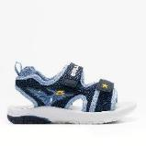 | DNCL4534 | BL01 | Blu | 002 | 25 -35 18 PAIA |  |  |  |  |  |  |  |  |  |  |  |  |  |  |  |  |  |  |  |  |  |  |  |  | 24.5
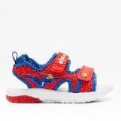 | DNCL4534 | RS01 | Rosso | Free - Minimum 12 pairs + 002 | 26 - 35 12 PAIA 25-35 18PAIA |  |  |  |  |  |  |  |  |  |  |  |  |  |  |  |  |  |  |  |  |  |  |  |  | 24.5
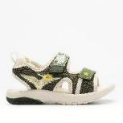 | DNCL4534 | VE41 | Verde Giungla | 002 | 25 -35 18 PAIA |  |  |  |  |  |  |  |  |  |  |  |  |  |  |  |  |  |  |  |  |  |  |  |  | 24.5
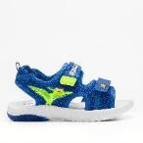 | DNCL4534 | RY11 | Royal Nr. 2 | Free - Minimum 12 pairs | 25 - 35 12 PAIA |  |  |  |  |  |  |  |  |  |  |  |  |  |  |  |  |  |  |  |  |  |  |  |  | 24.5
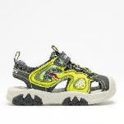 | DNCL5191B00 | GR01 | Grigio | 245 | 25 -33 18 PAIA |  |  |  |  |  |  |  |  |  |  |  |  |  |  |  |  |  |  |  |  |  |  |  |  | 29.5
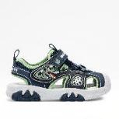 | DNCL5191B00 | BL01 | Blu | 151 245 | 26-35 18 PAIA 25-33 18 PAIA |  |  |  |  |  |  |  |  |  |  |  |  |  |  |  |  |  |  |  |  |  |  |  |  | 29.5
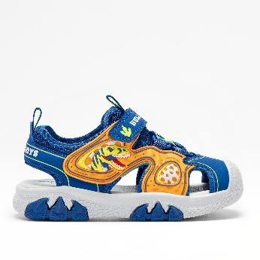 | DNCL5191B00 | RY01 | Royal | 151 245 | 26-35 18 PAIA 25-33 18 PAIA |  |  |  |  |  |  |  |  |  |  |  |  |  |  |  |  |  |  |  |  |  |  |  |  | 29.5
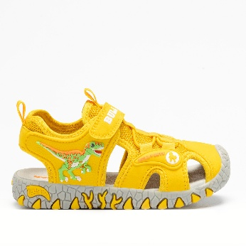 | DNCL3144 | AQ01 | Giallo | 93 | 26-33 12 PAIA |  |  |  |  |  |  |  |  |  |  |  |  |  |  |  |  |  |  |  |  |  |  |  |  | 29.5
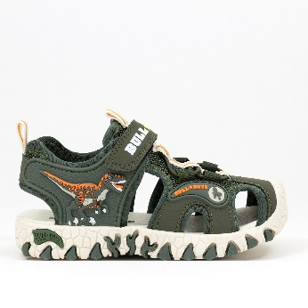 | DNCL3144 | VE41 | Verde militare | 444 | 26-33 12 paia |  |  |  |  |  |  |  |  |  |  |  |  |  |  |  |  |  |  |  |  |  |  |  |  | 29.5
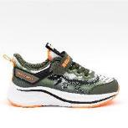 | DNAR5274B00 | VEVE | Verde/verde | 43 | 26-33 12 PAIA |  |  |  |  |  |  |  |  |  |  |  |  |  |  |  |  |  |  |  |  |  |  |  |  | 32.5
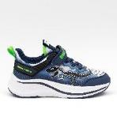 | DNAR5274B00 | BLRY | Blu/royal | 093 | 26-33 12 PAIA |  |  |  |  |  |  |  |  |  |  |  |  |  |  |  |  |  |  |  |  |  |  |  |  | 32.5
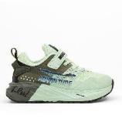 | DNAR5276B00 | VEVE | Verde/verde | 043 151 | 26-35 12 PAIA 26-35 18 PAIA |  |  |  |  |  |  |  |  |  |  |  |  |  |  |  |  |  |  |  |  |  |  |  |  | 32.5

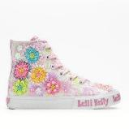 | LKED4910B00 | BI02 | Bianco Fantasia | 184 | 26-33 12 PAIA |  |  |  |  |  |  |  |  |  |  |  |  |  |  |  |  |  |  |  |  |  |  |  |  | 37.5
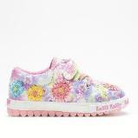 | LKED4912B00 | BI11 | Bianco Fantasia | 216 093 | 26 -33 12 PAIA 24-31 12 PAIA |  |  |  |  |  |  |  |  |  |  |  |  |  |  |  |  |  |  |  |  |  |  |  |  | 34.5
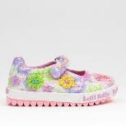 | LKED4911B00 | BI11 | Bianco nr 2 | 122 383 | 24 -33 12 PAIA 24-31 12 PAIA |  |  |  |  |  |  |  |  |  |  |  |  |  |  |  |  |  |  |  |  |  |  |  |  | 34.5
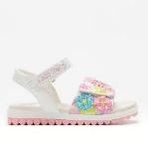 | LKCD4890A00 | BI02 | Bianco Fantasia | 093 | 26-33 12 PAIA |  |  |  |  |  |  |  |  |  |  |  |  |  |  |  |  |  |  |  |  |  |  |  |  | 32.5
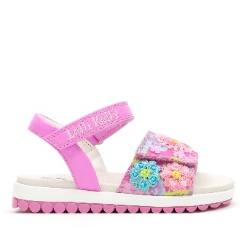 | LKCD4890A00 | FU02 | Fuxia Fantasia | 093 | 26-33 12 PAIA |  |  |  |  |  |  |  |  |  |  |  |  |  |  |  |  |  |  |  |  |  |  |  |  | 32.5
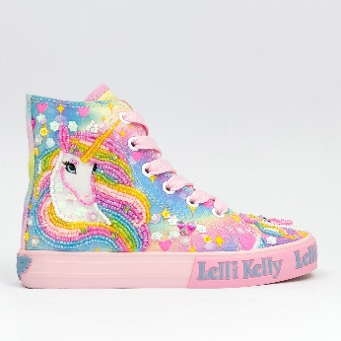 | LKED4150 | RO02 | Rosa Fantasia | 093 | 26-33 12 PAIA |  |  |  |  |  |  |  |  |  |  |  |  |  |  |  |  |  |  |  |  |  |  |  |  | 37.5
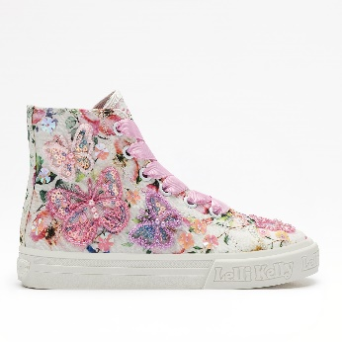 | LKED5416B00 | BI02 | Bianco Fantasia | 184 | 26-33 12 PAIA |  |  |  |  |  |  |  |  |  |  |  |  |  |  |  |  |  |  |  |  |  |  |  |  | 37.5
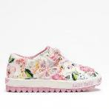 | LKED5414B00 | BI02 | Bianco Fantasia | 216 093 | 26-35 12 PAIA 26-35 12 PAIA |  |  |  |  |  |  |  |  |  |  |  |  |  |  |  |  |  |  |  |  |  |  |  |  | 34.5
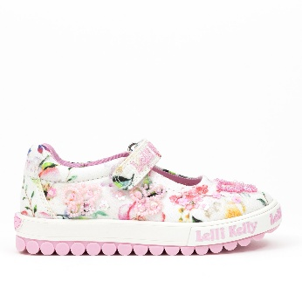 | LKED5415B00 | BI02 | Bianco Fantasia | 383 | 24-31 12 PAIA |  |  |  |  |  |  |  |  |  |  |  |  |  |  |  |  |  |  |  |  |  |  |  |  | 34.5
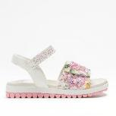 | LKCD5501B00 | BI02 | Bianco Fantasia | 093 444 | 26-33 12 PAIA 26-33 18 PAIA |  |  |  |  |  |  |  |  |  |  |  |  |  |  |  |  |  |  |  |  |  |  |  |  | 32.5
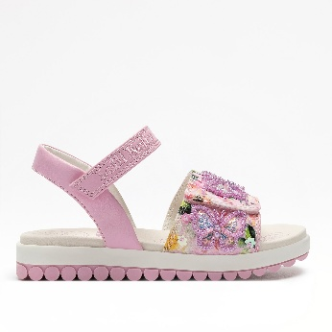 | LKCD5501B00 | RO02 | Bianco Fantasia | 093 | 26-33 12 PAIA |  |  |  |  |  |  |  |  |  |  |  |  |  |  |  |  |  |  |  |  |  |  |  |  | 32.5
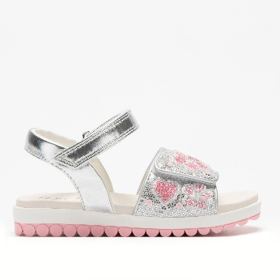 | LKCD4891BGL | AG01 | Argento | 93 | 26-33 12 PAIA |  |  |  |  |  |  |  |  |  |  |  |  |  |  |  |  |  |  |  |  |  |  |  |  | 32.5
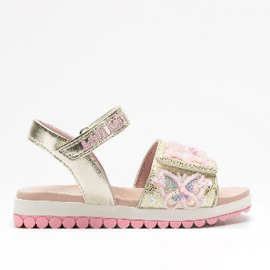 | LKCD5503BGL | OR01 | Oro | 93 | 26-33 12 PAIA |  |  |  |  |  |  |  |  |  |  |  |  |  |  |  |  |  |  |  |  |  |  |  |  | 32.5

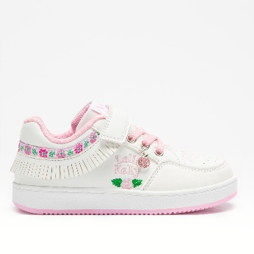 | LKAE8080 | BI01 | Bianco | 43 | 26-35 12 PAIA |  |  |  |  |  |  |  |  |  |  |  |  |  |  |  |  |  |  |  |  |  |  |  |  | 24.5
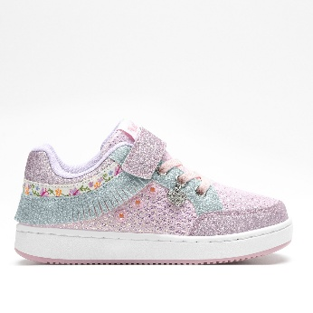 | LKAL8054 | ROLI | Rosa/Lilla | 135 | 26-31 6 PAIA |  |  |  |  |  |  |  |  |  |  |  |  |  |  |  |  |  |  |  |  |  |  |  |  | 24.5

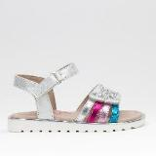 | LKCA4877A00 | AG01 | Argento | 053 | 24 -35 12 PAIA |  |  |  |  |  |  |  |  |  |  |  |  |  |  |  |  |  |  |  |  |  |  |  |  | 19.9
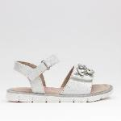 | LKCA4875A00 | BI01 | Bianco | 053 | 24 -35 12 PAIA |  |  |  |  |  |  |  |  |  |  |  |  |  |  |  |  |  |  |  |  |  |  |  |  | 19.9
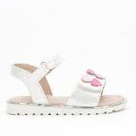 | LKCA5561APT | BI01 | Bianco | 263 | 24 -35 18 PAIA |  |  |  |  |  |  |  |  |  |  |  |  |  |  |  |  |  |  |  |  |  |  |  |  | 19.9
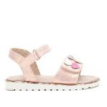 | LKCA5561APT | RO01 | Rosa | 263 | 24 -35 18 PAIA |  |  |  |  |  |  |  |  |  |  |  |  |  |  |  |  |  |  |  |  |  |  |  |  | 19.9
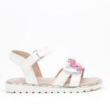 | LKCA5560A00 | BI01 | Bianco | 263 | 24 -35 18 PAIA |  |  |  |  |  |  |  |  |  |  |  |  |  |  |  |  |  |  |  |  |  |  |  |  | 19.9

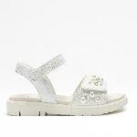 | LKCA5521APT | BI01 | Bianco | 043 | 26-35 12 PAIA |  |  |  |  |  |  |  |  |  |  |  |  |  |  |  |  |  |  |  |  |  |  |  |  | 24.5
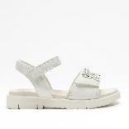 | LKCV5510AGL | BI01 | Bianco | 043 | 26-35 12 PAIA |  |  |  |  |  |  |  |  |  |  |  |  |  |  |  |  |  |  |  |  |  |  |  |  | 24.5
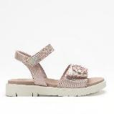 | LKCV5511APT | RO01 | Rosa | 151 216 | 26-35 18 PAIA 26-35 12 PAIA |  |  |  |  |  |  |  |  |  |  |  |  |  |  |  |  |  |  |  |  |  |  |  |  | 24.5

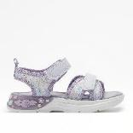 | LKCL5530A00 | LI01 | Lilla | 093 | 26-33 12 PAIA |  |  |  |  |  |  |  |  |  |  |  |  |  |  |  |  |  |  |  |  |  |  |  |  | 24.5
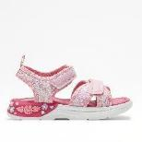 | LKCL5530A00 | RO01 | Rosa | 093 | 26-33 12 PAIA |  |  |  |  |  |  |  |  |  |  |  |  |  |  |  |  |  |  |  |  |  |  |  |  | 24.5

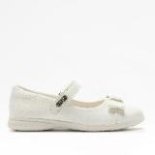 | LKBA4833A00 | BI01 | Bianco | 122 | 24-33 12 PAIA |  |  |  |  |  |  |  |  |  |  |  |  |  |  |  |  |  |  |  |  |  |  |  |  | 24.5

